Photos
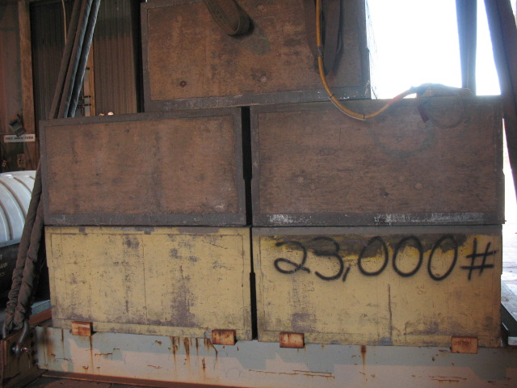

2

Block 7A
1

12

11

Block 7C
Block 7E
13
14

Block 7D
Block 7B

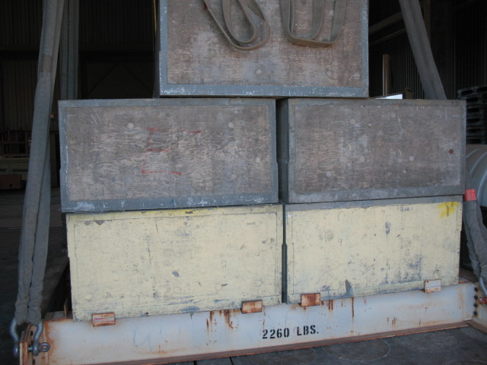

5
3

Block 7A

4

7

Block 7C
6
Block 7E
16
10
15

Block 7D

Block 7B

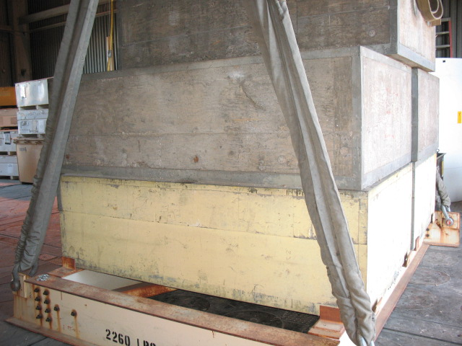

Block 7C
8
9
LAW # 1

Block 7B

Maps
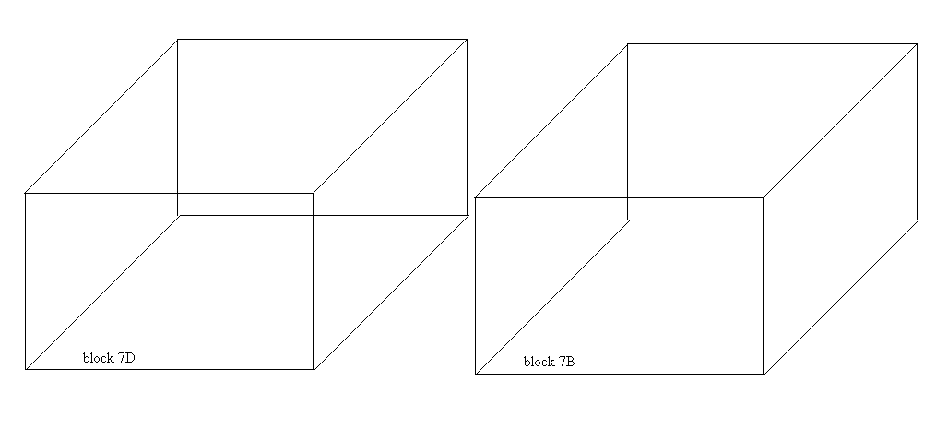

26
18
LAW # 3

25
17
LAW # 2

24
20
23
22
19

21

N

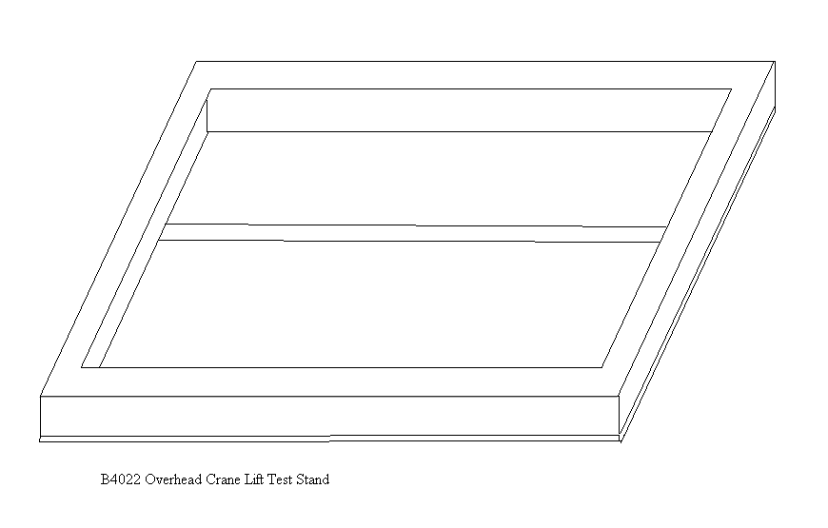

N
27
28
29

36
30

31

35

34
33
32

