B4022 Vault 7 shield blocks
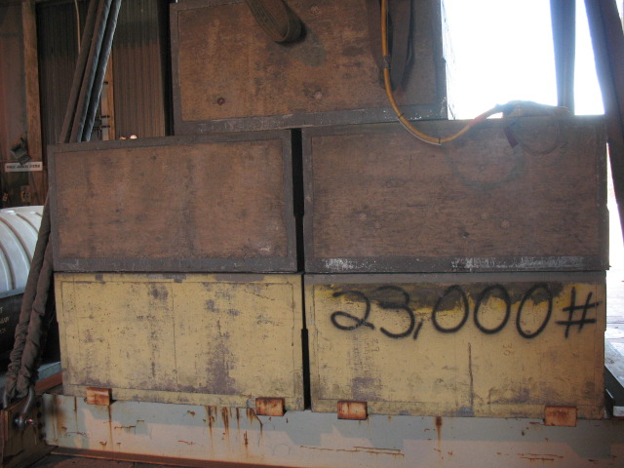

Block 7A
LAW # 5

Block 7C
Block 7E
LAW # 3
LAW # 4

Block 7D
Block 7B
5
LAW # 2
3
2

4
1
LAW # 1

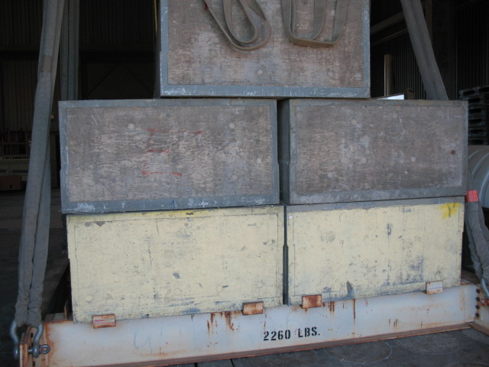

Block 7A

Block 7C
Block 7E

7
Block 7D

Block 7B
9
8
6

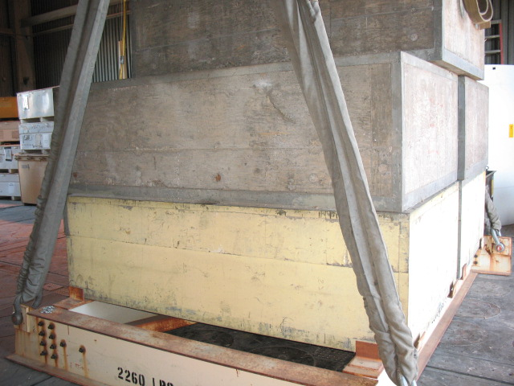

Block 7C

Block 7B
10

12

11

