Photos
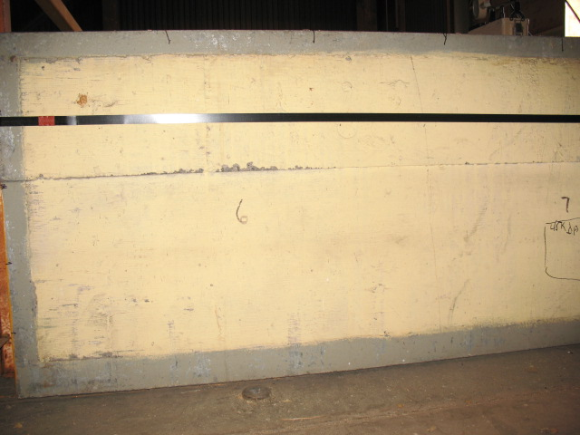

1
6
11
16

2
7
17
12

18
13
3
8

14
19
4
9

20
15
10
5

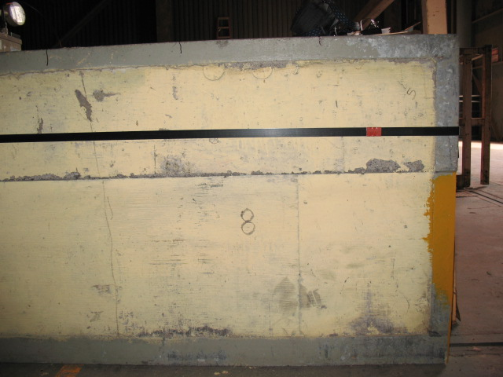

31
36
21
26

27
32
37
22

28
38
23
33

34
29
39
24

25
30
35
40

