FOTW #1175
U.S. Department of Energy, Vehicle Technologies Office
Fact of the Week #1175

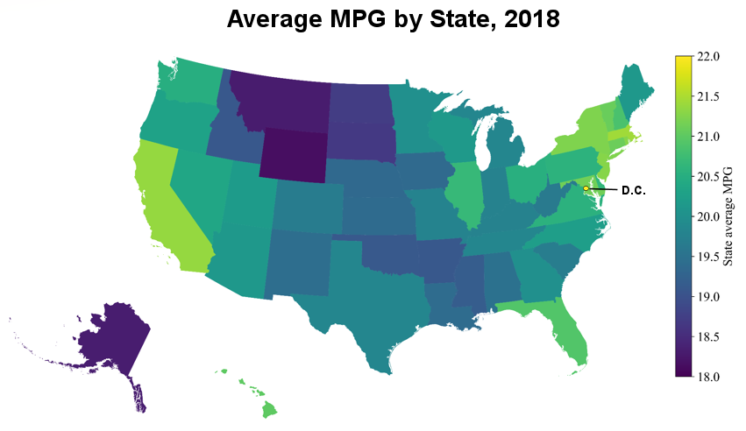
Average Fuel Economy by State, 2018
(Miles per Gallon-MPG)
State | Average MPG
Alabama | 19.5
Alaska | 18.3
Arizona | 20.1
Arkansas | 19.1
California | 21.4
Colorado | 19.7
Connecticut | 21.1
Delaware | 20.6
District of Columbia | 22.1
Florida | 20.9
Georgia | 20.0
Hawaii | 21.0
Idaho | 19.1
Illinois | 20.7
Indiana | 19.8
Iowa | 19.4
Kansas | 19.4
Kentucky | 19.8
Louisiana | 19.4
Maine | 20.1
Maryland | 21.1
Massachusetts | 21.4
Michigan | 19.8
Minnesota | 20.0
Mississippi | 19.2
Missouri | 19.8
Montana | 18.3
Nebraska | 19.4
Nevada | 20.4
New Hampshire | 20.9
New Jersey | 21.3
New Mexico | 19.4
New York | 21.2
North Carolina | 20.2
North Dakota | 18.7
Ohio | 20.5
Oklahoma | 19.1
Oregon | 20.3
Pennsylvania | 20.6
Rhode Island | 21.3
South Carolina | 19.7
South Dakota | 18.7
Tennessee | 19.8
Texas | 19.8
Utah | 20.2
Vermont | 21.1
Virginia | 20.6
Washington | 20.5
West Virginia | 19.6
Wisconsin | 20.1
Wyoming | 18.1

Source: Argonne National Laboratory, Affordability of Household Transportation Fuel Costs by Region and Socioeconomic Factors, ANL/ESD-20/11.

https://www.osti.gov/biblio/1760477-affordability-household-transportation-fuel-costs-region-socioeconomic-factors

