FOTW #1173
U.S. Department of Energy, Vehicle Technologies Office
Fact of the Week #1173

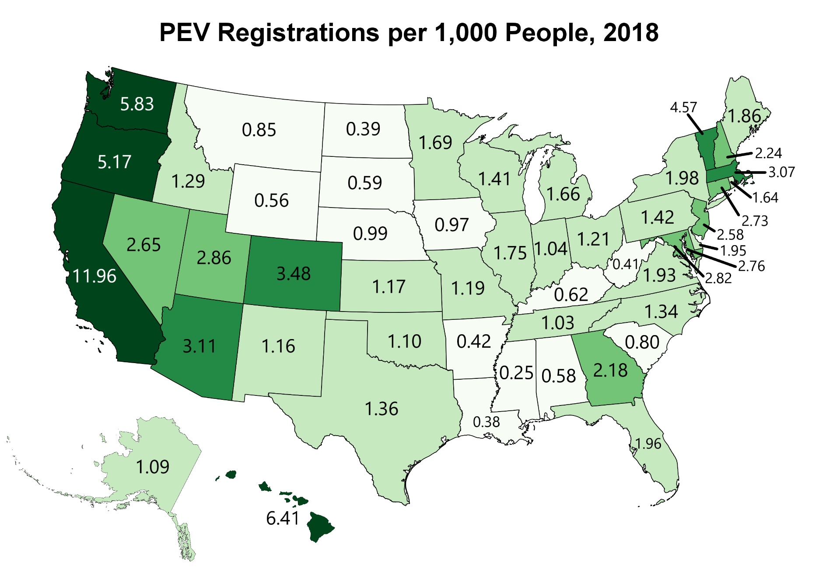
PEV Registraions per 1,000 People
State | PEV per 1,000 People
Alabama | 0.58
Alaska | 1.09
Arizona | 3.11
Arkansas | 0.42
California | 11.96
Colorado | 3.48
Connecticut | 2.73
Delaware | 1.95
District of Columbia | 2.82
Florida | 1.96
Georgia | 2.18
Hawaii | 6.41
Idaho | 1.29
Illinois | 1.75
Indiana | 1.04
Iowa | 0.97
Kansas | 1.17
Kentucky | 0.62
Louisiana | 0.38
Maine | 1.86
Maryland | 2.76
Massachusetts | 3.07
Michigan | 1.66
Minnesota | 1.69
Mississippi | 0.25
Missouri | 1.19
Montana | 0.85
Nebraska | 0.99
Nevada | 2.65
New Hampshire | 2.24
New Jersey | 2.58
New Mexico | 1.16
New York | 1.98
North Carolina | 1.34
North Dakota | 0.39
Ohio | 1.21
Oklahoma | 1.1
Oregon | 5.17
Pennsylvania | 1.42
Rhode Island | 1.64
South Carolina | 0.8
South Dakota | 0.59
Tennessee | 1.03
Texas | 1.36
Utah | 2.86
Vermont | 4.57
Virginia | 1.93
Washington | 5.83
West Virginia | 0.41
Wisconsin | 1.41
Wyoming | 0.56

Note: PEV includes both all-electric vehicles and plug-in hybrid-electric vehicles.

Sources: PEV registrations – U.S. Department of Energy analysis of IHS Automotive data. Population – U.S. Census Bureau, Population Estimates, Annual Estimates of the Resident Population.

https://factfinder.census.gov

