FOTW #1170
U.S. Department of Energy, Vehicle Technologies Office
Fact of the Week #1170

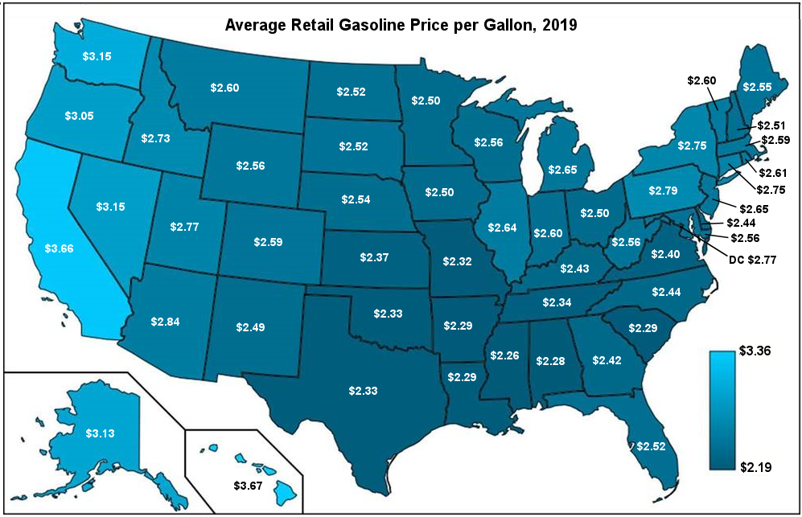
Average Retail Gasoline Price per Gallon, 2019
State | Price per Gallon
Alabama | $2.28
Alaska | $3.13
Arizona | $2.84
Arkansas | $2.29
California | $3.66
Colorado | $2.59
Connecticut | $2.75
Delaware | $2.44
District of Columbia | $2.77
Florida | $2.52
Georgia | $2.42
Hawaii | $3.67
Idaho | $2.73
Illinois | $2.64
Indiana | $2.60
Iowa | $2.50
Kansas | $2.37
Kentucky | $2.43
Louisiana | $2.29
Maine | $2.55
Maryland | $2.56
Massachusetts | $2.59
Michigan | $2.65
Minnesota | $2.50
Mississippi | $2.26
Missouri | $2.32
Montana | $2.60
Nebraska | $2.54
Nevada | $3.15
New Hampshire | $2.51
New Jersey | $2.65
New Mexico | $2.49
New York | $2.75
North Carolina | $2.44
North Dakota | $2.52
Ohio | $2.50
Oklahoma | $2.33
Oregon | $3.05
Pennsylvania | $2.79
Rhode Island | $2.61
South Carolina | $2.29
South Dakota | $2.52
Tennessee | $2.34
Texas | $2.33
Utah | $2.77
Vermont | $2.60
Virginia | $2.40
Washington | $3.15
West Virginia | $2.56
Wisconsin | $2.56
Wyoming | $2.56

Source: GasBuddy, Fuel Insights, 2020. Daily price data for 2019 analyzed by David Gohlke, Argonne National Laboratory.

http://fuelinsights.gasbuddy.com/

