FOTW #1161
U.S. Department of Energy, Vehicle Technologies Office
Fact of the Week #1161
 | Example of EVI-Pro Lite Results
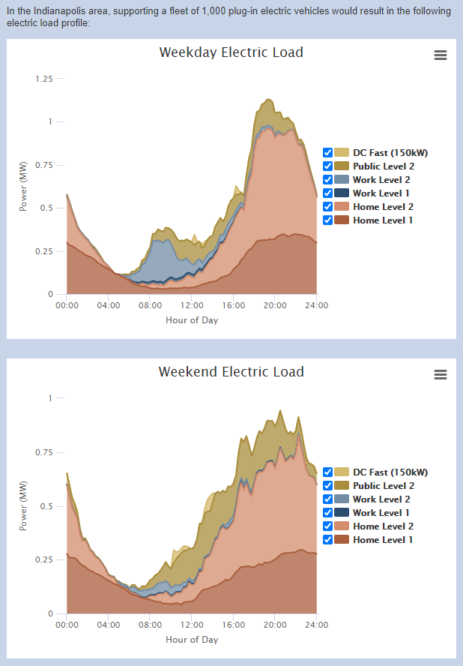
An example of the EVI-Pro Lite Results from the Indianapolis area supporting a fleet of 1,000 plug-in electric vehicles. The top figure shows the weekday electric load in MW by hour of day and the bottom figure shows the same data for the weekend electric load.

Note: EVI-Pro Lite has been developed through a collaboration between the National Renewable Energy Laboratory and the California Energy Commission, with additional support from the U.S. Department of Energy's Vehicle Technologies Office. Load profile analysis capabilities in EVI-Pro Lite have been developed through a collaborative effort between the National Renewable Energy Laboratory, Lawrence Berkeley National Laboratory, and Schatz Energy Research Center at Humboldt State University.

Source: Alternative Fuels Data Center, Electric Vehicle Infrastructure Projection (EVI-Pro) Lite.

https://afdc.energy.gov/evi-pro-lite

