FOTW #1156
U.S. Department of Energy, Vehicle Technologies Office
Fact of the Week #1156

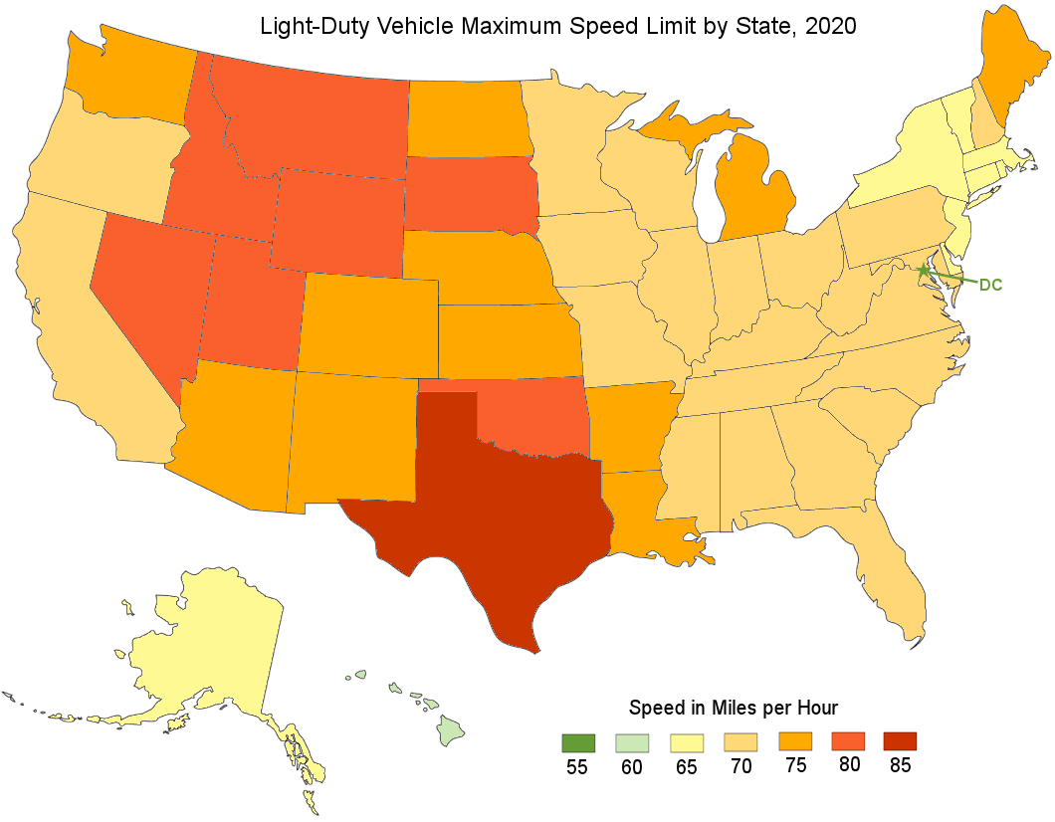
Light-Duty Maximum Speed Limit by State, 2020
State | Speed Limit (Miles per hour)
Alabama | 70
Alaska | 65
Arizona | 75
Arkansas | 75
California | 70
Colorado | 75
Connecticut | 65
Delaware | 65
District of Columbia | 55
Florida | 70
Georgia | 70
Hawaii | 60
Idaho | 80
Illinois | 70
Indiana | 70
Iowa | 70
Kansas | 75
Kentucky | 70
Louisiana | 75
Maine | 75
Maryland | 70
Massachusetts | 65
Michigan | 75
Minnesota | 70
Mississippi | 70
Missouri | 70
Montana | 80
Nebraska | 75
Nevada | 80
New Hampshire | 70
New Jersey | 65
New Mexico | 75
New York | 65
North Carolina | 70
North Dakota | 75
Ohio | 70
Oklahoma | 80
Oregon | 70
Pennsylvania | 70
Rhode Island | 65
South Carolina | 70
South Dakota | 80
Tennessee | 70
Texas | 85
Utah | 80
Vermont | 65
Virginia | 70
Washington | 75
West Virginia | 70
Wisconsin | 70
Wyoming | 80

Note: Some of these maximum limits are for specified segments of road only.

Source: Insurance Institute for Highway Safety, Highway Loss Data Institute, "Speed Limits," August 2020.
https://www.iihs.org/topics/speed/speed-limit-laws

