FOTW #1152
U.S. Department of Energy, Vehicle Technologies Office
Fact of the Week #1152

The two pictures below (right and left) are linked to the Federal Highway Administration website interactive maps.
To find interactive maps for all alternative fuels, see the URL below.
https://www.fhwa.dot.gov/environment/alternative_fuel_corridors/maps/
Compressed Natural Gas Alternative Fuels Corridors Static Map, August 2020 | Liquefied Petroleum Gas Alternative Fuels Corridors Static Map, 2020
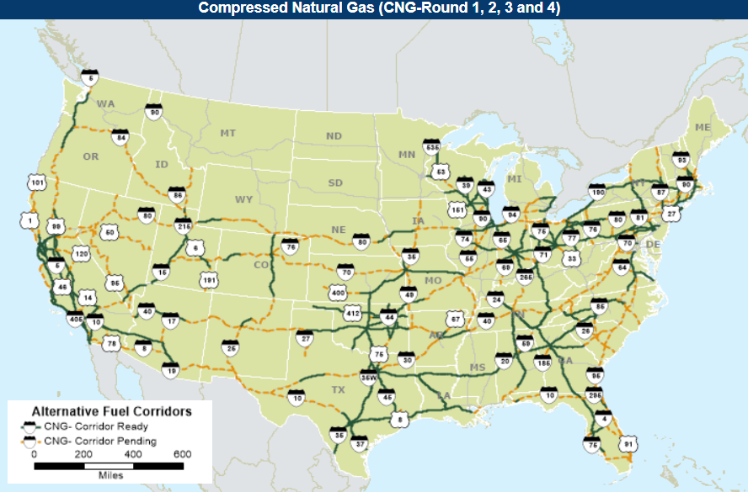
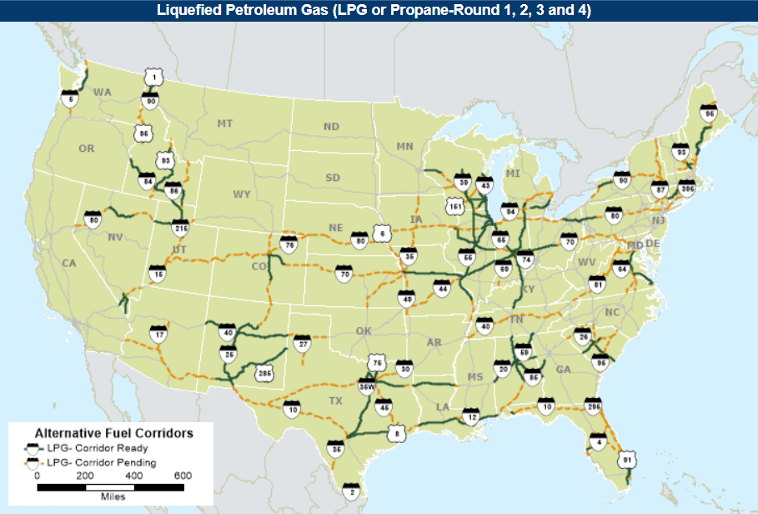

Source: U.S. Department of Transportation, Federal Highway Administration, Alternative Fuel Corridors, accessed August 19, 2020.
https://www.fhwa.dot.gov/environment/alternative_fuel_corridors/

