FOTW #1134
U.S. Department of Energy, Vehicle Technologies Office
Fact of the Week #1134

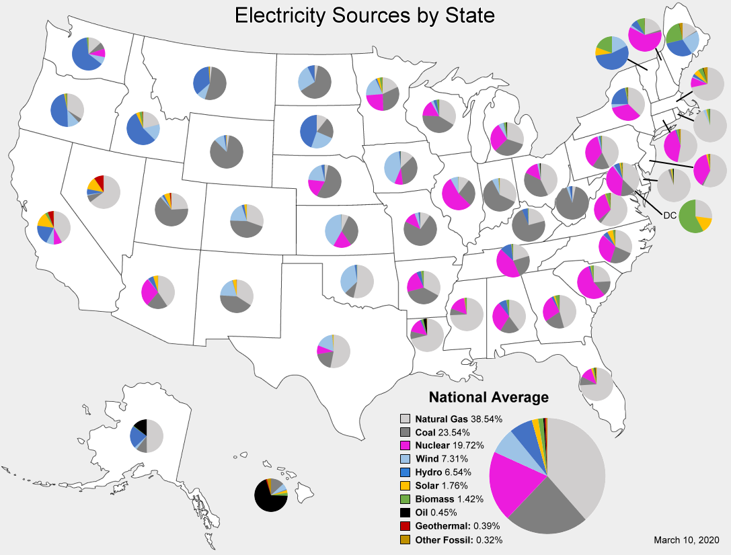
Electricity Sources by State as of March 10, 2020
State | Natural Gas | Coal | Nuclear | Wind | Hydro | Solar | Biomass | Oil | Geothermal | Other Fossil
Alabama | 40.0% | 18.8% | 30.8% | 0.0% | 7.7% | 0.3% | 2.4% | 0.0% | 0.0% | 0.0%
Alaska | 49.9% | 10.6% | 0.0% | 2.4% | 22.1% | 0.0% | 0.6% | 14.4% | 0.0% | 0.0%
Arizona | 40.7% | 20.5% | 28.2% | 0.5% | 5.4% | 4.5% | 0.2% | 0.1% | 0.0% | 0.0%
Arkansas | 33.0% | 37.9% | 22.0% | 0.0% | 4.5% | 0.3% | 2.2% | 0.1% | 0.0% | 0.0%
California | 42.0% | 0.1% | 7.9% | 7.4% | 19.7% | 14.1% | 2.8% | 0.0% | 5.6% | 0.4%
Colorado | 30.4% | 45.1% | 0.0% | 19.4% | 2.5% | 2.2% | 0.3% | 0.0% | 0.0% | 0.1%
Connecticut | 52.8% | 0.1% | 41.7% | 0.0% | 1.3% | 0.4% | 1.9% | 0.2% | 0.0% | 1.4%
Deleware | 94.5% | 2.4% | 0.0% | 0.1% | 0.0% | 1.1% | 1.1% | 0.9% | 0.0% | 0.0%
District of Columbia | 27.1% | 0.0% | 0.0% | 0.0% | 0.0% | 15.1% | 57.8% | 0.0% | 0.0% | 0.0%
Florida | 74.0% | 8.7% | 11.9% | 0.0% | 0.1% | 1.6% | 1.8% | 0.6% | 0.0% | 1.3%
Georgia | 45.7% | 19.8% | 26.3% | 0.0% | 2.3% | 1.6% | 4.0% | 0.3% | 0.0% | 0.1%
Hawaii | 0.0% | 13.2% | 0.0% | 6.0% | 0.7% | 2.7% | 2.9% | 69.3% | 1.1% | 4.0%
Idaho | 21.2% | 0.1% | 0.0% | 16.2% | 55.4% | 3.3% | 3.0% | 0.0% | 0.4% | 0.4%
Illinois | 10.4% | 27.0% | 54.5% | 7.6% | 0.1% | 0.0% | 0.2% | 0.0% | 0.0% | 0.1%
Indiana | 32.0% | 60.4% | 0.0% | 6.2% | 0.2% | 0.3% | 0.4% | 0.1% | 0.0% | 0.3%
Iowa | 12.9% | 35.1% | 8.3% | 42.0% | 1.2% | 0.0% | 0.3% | 0.2% | 0.0% | 0.0%
Kansas | 7.0% | 33.4% | 17.8% | 41.5% | 0.0% | 0.0% | 0.1% | 0.1% | 0.0% | 0.0%
Kentucky | 20.8% | 72.7% | 0.0% | 0.0% | 5.6% | 0.1% | 0.6% | 0.1% | 0.0% | 0.1%
Louisiana | 71.3% | 7.5% | 14.2% | 0.0% | 1.2% | 0.0% | 2.2% | 3.2% | 0.0% | 0.5%
Maine | 15.9% | 0.8% | 0.0% | 23.8% | 30.8% | 0.1% | 24.9% | 0.3% | 0.0% | 3.4%
Maryland | 37.4% | 14.4% | 37.8% | 1.4% | 5.6% | 1.3% | 1.0% | 0.2% | 0.0% | 0.8%
Massachusetts | 71.6% | 0.0% | 9.8% | 1.0% | 2.9% | 5.3% | 4.7% | 0.6% | 0.0% | 4.1%
Michigan | 30.1% | 32.5% | 28.6% | 5.1% | 0.5% | 0.1% | 2.1% | 0.8% | 0.0% | 0.2%
Minnesota | 17.9% | 31.5% | 24.4% | 19.1% | 1.5% | 2.6% | 2.3% | 0.1% | 0.0% | 0.6%
Mississippi | 74.3% | 6.6% | 16.5% | 0.0% | 0.0% | 0.5% | 2.1% | 0.0% | 0.0% | 0.0%
Missouri | 9.6% | 72.8% | 12.0% | 3.8% | 1.4% | 0.1% | 0.1% | 0.1% | 0.0% | 0.0%
Montana | 2.0% | 52.0% | 0.0% | 8.5% | 34.6% | 0.1% | 0.1% | 1.7% | 0.0% | 1.1%
Nebraska | 3.3% | 54.7% | 18.7% | 19.9% | 3.1% | 0.1% | 0.2% | 0.1% | 0.0% | 0.0%
Nevada | 64.8% | 6.9% | 0.0% | 0.8% | 5.6% | 12.2% | 0.1% | 0.0% | 9.5% | 0.1%
New Hampshire | 20.0% | 1.9% | 60.8% | 2.3% | 6.9% | 0.0% | 7.8% | 0.2% | 0.0% | 0.3%
New Jersey | 57.2% | 1.5% | 37.5% | 0.0% | 0.0% | 1.7% | 1.1% | 0.2% | 0.0% | 0.9%
New Mexico | 34.1% | 41.8% | 0.0% | 19.5% | 0.4% | 3.9% | 0.1% | 0.1% | 0.2% | 0.0%
New York | 37.2% | 0.3% | 33.8% | 3.7% | 22.0% | 0.5% | 1.4% | 0.4% | 0.0% | 0.7%
North Carolina | 31.7% | 23.3% | 31.8% | 0.4% | 4.7% | 5.5% | 1.9% | 0.2% | 0.0% | 0.4%
North Dakota | 3.1% | 62.9% | 0.0% | 26.8% | 7.0% | 0.0% | 0.0% | 0.1% | 0.0% | 0.1%
Ohio | 42.9% | 39.4% | 14.3% | 1.7% | 0.2% | 0.1% | 0.6% | 0.8% | 0.0% | 0.0%
Oklahoma | 53.5% | 9.4% | 0.0% | 34.6% | 2.1% | 0.1% | 0.4% | 0.0% | 0.0% | 0.0%
Oregon | 33.9% | 4.1% | 0.0% | 11.5% | 47.4% | 1.1% | 1.7% | 0.0% | 0.2% | 0.1%
Pennsylvania | 42.7% | 16.8% | 36.1% | 1.5% | 1.5% | 0.0% | 0.9% | 0.1% | 0.0% | 0.4%
Rhode Island | 93.2% | 0.0% | 0.0% | 2.9% | 0.1% | 0.9% | 2.7% | 0.2% | 0.0% | 0.0%
South Carolina | 24.1% | 14.8% | 0.0% | 0.0% | 1.9% | 0.8% | 2.4% | 0.1% | 0.0% | 0.0%
South Dakota | 10.7% | 20.8% | 0.0% | 23.9% | 44.6% | 0.0% | 0.0% | 0.1% | 0.0% | 0.0%
Tennessee | 20.3% | 22.9% | 43.7% | 0.1% | 11.3% | 0.4% | 1.1% | 0.2% | 0.0% | 0.0%
Texas | 53.1% | 19.1% | 8.6% | 17.6% | 0.2% | 0.9% | 0.3% | 0.0% | 0.0% | 0.1%
Utah | 24.1% | 64.4% | 0.0% | 2.1% | 2.0% | 5.5% | 0.2% | 0.1% | 1.1% | 0.5%
Vermont | 0.1% | 0.0% | 0.0% | 17.6% | 54.9% | 8.0% | 19.4% | 0.0% | 0.0% | 0.0%
Virginia | 60.0% | 3.6% | 30.3% | 0.0% | 0.5% | 0.9% | 3.9% | 0.3% | 0.0% | 0.6%
Washington | 13.0% | 6.8% | 8.4% | 7.3% | 62.8% | 0.0% | 1.5% | 0.0% | 0.0% | 0.1%
West Virginia | 3.3% | 91.0% | 0.0% | 2.7% | 2.8% | 0.0% | 0.0% | 0.2% | 0.0% | 0.0%
Wisconsin | 33.7% | 42.0% | 16.0% | 2.6% | 3.2% | 0.1% | 2.2% | 0.2% | 0.0% | 0.1%
Wyoming | 2.5% | 84.9% | 0.0% | 9.8% | 2.0% | 0.4% | 0.0% | 0.1% | 0.0% | 0.2%
National Average | 38.5% | 23.5% | 19.7% | 7.3% | 6.5% | 1.8% | 1.4% | 0.5% | 0.4% | 0.3%

Source: U.S. Department of Energy, Alternative Fuels Data Center, “Electricity Sources and Emissions.” Data accessed on March 10, 2020.
https://afdc.energy.gov/vehicles/electric_emissions.html

