FOTW #1126
U.S. Department of Energy, Vehicle Technologies Office
Fact of the Week #1126

Fuel Economy Myths and Facts
1. MYTH: You have to drive a small car to get good fuel economy.
FACT: Advanced technologies like electric and hybrid drivetrains, cylinder deactivation, direct fuel injection, turbocharging, advanced transmissions, low rolling resistance tires and aerodynamic designs are allowing standard-sized vehicles to be very fuel efficient. For the 2020 model year, more than half of the top ten most efficient vehicles (the list that excludes EVs and PHEVs) are midsized or large cars. | 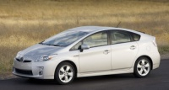
2. MYTH: Manual transmissions always get better fuel economy than automatics.
FACT: Advances in automatic transmissions have improved their efficiency to the point that the automatic version of a vehicle often gets the same or better fuel economy than the version with a manual transmission. For vehicles offered in both automatic and manual transmissions, consumers can easily compare fuel economy using our Find a Car feature. | 
3. MYTH: It takes more fuel to start a vehicle than it does to let it idle.
FACT: Modern fuel injected engines start very efficiently, especially when warmed up. Idling can use a quarter to a half gallon of fuel per hour—depending on your vehicle's engine size—costing you about 1 to 2 cents per minute. Turn off your engine when your vehicle is sitting still, except when you are waiting in traffic or waiting in a line where you would need to turn it on and off frequently. | 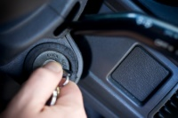
4. MYTH: Vehicles need to warm up before they can be driven.
FACT: Modern vehicles can be driven within seconds of being started, though the engine should not be subjected to extreme loads until it has reached its normal operating temperature. Plus, the quickest way to warm up a vehicle's engine is to drive it. | 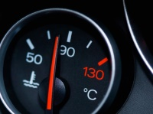
5. MYTH: As a vehicle ages, its fuel economy decreases significantly.
FACT: A vehicle that is properly maintained will retain its efficiency for many years. The EPA tests vehicles with about 5,000 miles on the odometer to account for the break-in period since a vehicle's fuel economy will typically continue to improve over the first several years of ownership. Vehicles that are 10 or even 15 years old will experience little decrease in fuel economy if properly maintained. | 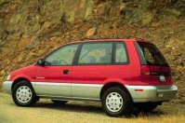

Source: U.S. Department of Energy and U.S. Environmental Protection Agency, Fueleconomy.gov website,
Top Ten Misconceptions About Fuel Economy

