FOTW #1110
U.S. Department of Energy, Vehicle Technologies Office
Fact of the Week #1110

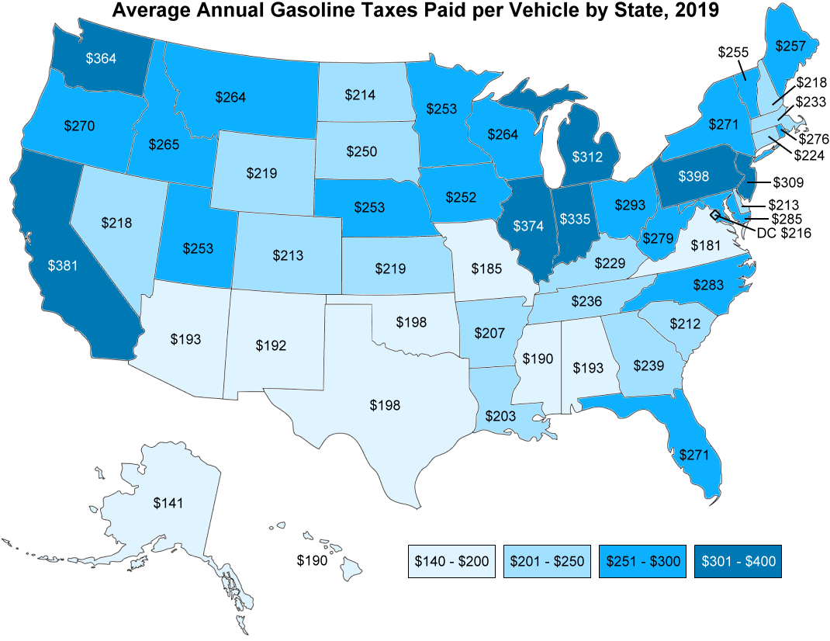
Average Annual Gasoline Taxes Paid per Vehicle by State, 2019
State | Tax Rate (Dollars per Gallon) | Total cost for an average vehicle (Dollars per year)
Alabama | 0.374 | 193
Alaska | 0.273 | 141
Arizona | 0.374 | 193
Arkansas | 0.402 | 207
California | 0.739 | 381
Colorado | 0.413 | 213
Connecticut | 0.434 | 224
Delaware | 0.414 | 213
District of Columbia | 0.419 | 216
Florida | 0.525 | 271
Georgia | 0.464 | 239
Hawaii | 0.369 | 190
Idaho | 0.514 | 265
Illinois | 0.725 | 374
Indiana | 0.650 | 335
Iowa | 0.489 | 252
Kansas | 0.424 | 219
Kentucky | 0.444 | 229
Louisiana | 0.393 | 203
Maine | 0.498 | 257
Maryland | 0.553 | 285
Massachusetts | 0.452 | 233
Michigan | 0.605 | 312
Minnesota | 0.490 | 253
Mississippi | 0.368 | 190
Missouri | 0.358 | 185
Montana | 0.512 | 264
Nebraska | 0.490 | 253
Nevada | 0.422 | 218
New Hampshire | 0.422 | 218
New Jersey | 0.599 | 309
New Mexico | 0.373 | 192
New York | 0.525 | 271
North Carolina | 0.549 | 283
North Dakota | 0.414 | 214
Ohio | 0.569 | 293
Oklahoma | 0.384 | 198
Oregon | 0.524 | 270
Pennsylvania | 0.771 | 398
Rhode Island | 0.535 | 276
South Carolina | 0.412 | 212
South Dakota | 0.484 | 250
Tennessee | 0.458 | 236
Texas | 0.384 | 198
Utah | 0.491 | 253
Vermont | 0.494 | 255
Virginia | 0.352 | 181
Washington | 0.705 | 364
West Virginia | 0.541 | 279
Wisconsin | 0.513 | 264
Wyoming | 0.424 | 219

Note: Based on a vehicle with an average fuel economy of 22.3 mpg driven 11,484 miles in 2019. Taxes include federal and state gasoline tax, along with other per-gallon fees, such as leaking underground storage tank fees.

Source: Calculated by Oak Ridge National Laboratory using average annual miles and average fuel economy of the light-duty vehicle population from the U.S. Department of Transportation, Federal Highway Administration, Highway Statistics 2017, Table VM-1; and tax data by state from the U.S. Energy Information Administration website, August 2019.

https://www.fhwa.dot.gov/policyinformation/statistics/2017/
https://www.eia.gov/petroleum/marketing/monthly/xls/fueltaxes.xls)

