FOTW #1102
U.S. Department of Energy, Vehicle Technologies Office
Fact of the Week #1102
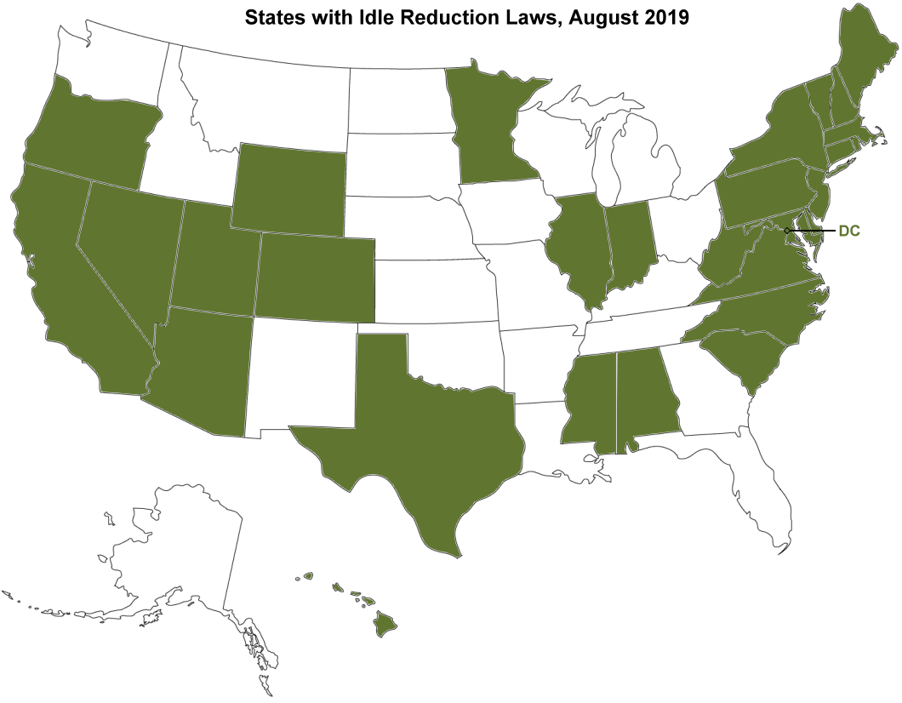
States with Idle Reduction Laws, August 2019
Alabama
Arizona
California
Colorado
Connecticut
Delaware
District of Columbia
Hawaii
Illinois
Indiana
Maine
Maryland
Massachusetts
Minnesota
Mississippi
Nevada
New Hampshire
New Jersey
New York
North Carolina
Oregon
Pennsylvania
Rhode Island
South Carolina
Texas
Utah
Vermont
Virginia
West Virginia
Wyoming

Source: U.S. Department of Energy, Alternative Fuels Data Center, Federal and State Laws and Incentives.

https://afdc.energy.gov/laws/search

