FOTW #1095
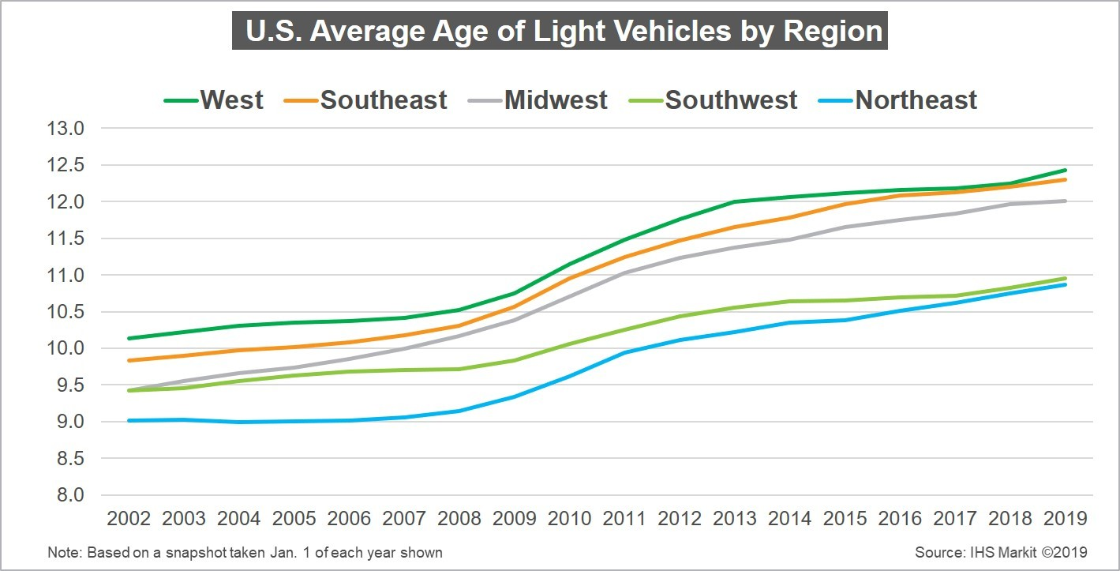
U.S. Department of Energy, Vehicle Technologies Office
Fact of the Week #1095

U.S. Average Age of Light Vehicles by Region, 2002-2019
(Numerical data has been estimated from IHS Markit Graphic)
Calendar Year | West | Southeast | Midwest | Southwest | Northeast
2002 | 10.1 | 9.8 | 9.4 | 9.4 | 9.0
2003 | 10.2 | 9.9 | 9.5 | 9.5 | 9.0
2004 | 10.3 | 10.0 | 9.6 | 9.5 | 9.0
2005 | 10.4 | 10.0 | 9.7 | 9.6 | 9.0
2006 | 10.4 | 10.1 | 9.8 | 9.7 | 9.0
2007 | 10.4 | 10.2 | 10.0 | 9.7 | 9.0
2008 | 10.5 | 10.3 | 10.2 | 9.7 | 9.1
2009 | 10.7 | 10.5 | 10.4 | 9.8 | 9.4
2010 | 11.1 | 11.0 | 10.7 | 10.0 | 9.6
2011 | 11.8 | 11.2 | 11.0 | 10.3 | 10.0
2012 | 11.5 | 11.5 | 11.3 | 10.4 | 10.1
2013 | 12.0 | 11.6 | 11.4 | 10.5 | 10.2
2014 | 12.0 | 11.7 | 11.5 | 10.6 | 10.4
2015 | 12.1 | 12.0 | 11.6 | 10.6 | 10.4
2016 | 12.1 | 12.0 | 11.7 | 10.7 | 10.5
2017 | 12.2 | 12.1 | 11.8 | 10.7 | 10.6
2018 | 12.3 | 12.2 | 12.0 | 10.9 | 10.7
2019 | 12.4 | 12.3 | 12.0 | 11.0 | 10.9

Source: IHS Markit, “Average Age of Cars and Light Trucks in U.S. Rises Again in 2019 to 11.8 Years, IHS Markit Says,” Press Release, Thursday, June 27, 2019.

https://news.ihsmarkit.com/press-release/automotive/average-age-cars-and-light-trucks-us-rises-again-2019-118-years-ihs-markit-

Definition of Each Region in the IHS Markit Study
Northeast | Southeast | Midwest | Southwest | West
Maine | West Virginia | Ohio | Texas | Colorado
Massachusetts | Virginia | Indiana | Oklahoma | Wyoming
Rhode Island | Kentucky | Michigan | New Mexico | Montana
Connecticut | Tennessee | Illinois | Arizona | Idaho
New Hampshire | North Carolina | Missouri |  | Washington
Vermont | South Carolina | Wisconsin |  | Oregon
New York | Georgia | Minnesota |  | Utah
Pennsylvania | Alabama | Iowa |  | Nevada
New Jersey | Mississippi | Kansas |  | California
Delaware | Arkansas | Nebraska |  | Alaska
Maryland | Louisiana | South Dakota |  | Hawaii
 | Florida | North Dakota

