FOTW #1077
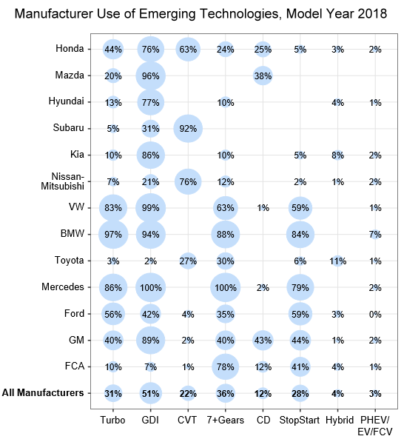
U.S. Department of Energy, Vehicle Technology Office
Fact of the Week #1077

Manufacturer Use of Emerging Technologies, Model Year 2018
Manufacturer | Turbo | Gasoline Direct Injection | Continuously Variable Transmission | 7+ Gears | Cylinder Deactivation | Stop/Start | Hybrid | Plug-in Hybrid Vehicle/ Electric Vehicle/ Fuel Cell Vehicle
Honda | 44% | 76% | 63% | 24% | 25% | 5% | 3% | 2%
Mazda | 20% | 96% | 0% | 0% | 38% | 0% | 0% | 0%
Hyundai | 13% | 77% | 0% | 10% | 0% | 0% | 4% | 1%
Subaru | 5% | 31% | 92% | 0% | 0% | 0% | 0% | 0%
Kia | 10% | 86% | 0% | 10% | 0% | 5% | 8% | 2%
Nissan/Mitsubishi | 7% | 21% | 76% | 12% | 0% | 2% | 1% | 2%
VW | 83% | 99% | 0% | 63% | 1% | 59% | 0% | 1%
BMW | 97% | 94% | 0% | 88% | 0% | 84% | 0% | 7%
Toyota | 3% | 2% | 27% | 30% | 0% | 6% | 11% | 1%
Mercedes | 86% | 100% | 0% | 100% | 2% | 79% | 0% | 2%
Ford | 56% | 42% | 4% | 35% | 0% | 59% | 3% | 0%
GM | 40% | 89% | 2% | 40% | 43% | 44% | 1% | 2%
FCA | 10% | 7% | 1% | 78% | 12% | 41% | 4% | 1%
All Manufacturers | 31% | 51% | 22% | 36% | 12% | 28% | 4% | 3%

Notes:
The “All Manufacturers” category includes manufacturers shown, as well as those not listed on the figure. Data for 2018 are preliminary.
GDI = Gasoline direct injection
CVT = Continuously variable transmission
CD = Cylinder deactivation
Hybrid = Gasoline hybrid that cannot be plugged in
PHEV = Plug-in hybrid electric vehicle
EV = All-electric vehicle
FCV = Fuel cell vehicle
Source: U.S. Environmental Protection Agency, The 2018 EPA Automotive Trends Report: Greenhouse Gas Emissions, Fuel Economy, and Technology since 1975, EPA-420-R-19-002, March 2019.

https://www.epa.gov/automotive-trends

