FOTW #1075
U.S. Department of Energy, Vehicle Technology Office
Fact of the Week #1075

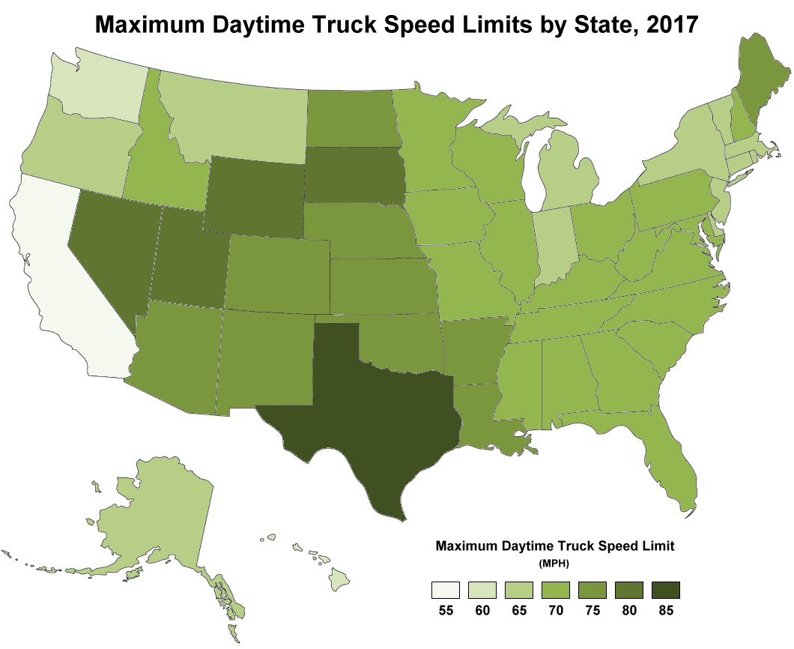
Maximum Daytime Truck Speed Limits by State, 2017
State | Maximum Daytime Speed Limit (Miles per Hour)
Alabama | 70
Alaska | 65
Arizona | 75
Arkansas | 75
California | 55
Colorado | 75
Connecticut | 65
Delaware | 65
Florida | 70
Georgia | 70
Hawaii | 60
Idaho | 70
Illinois | 70
Indiana | 65
Iowa | 70
Kansas | 75
Kentucky | 70
Louisiana | 75
Maine | 75
Maryland | 70
Massachusetts | 65
Michigan | 65
Minnesota | 70
Mississippi | 70
Missouri | 70
Montana | 65
Nebraska | 75
Nevada | 80
New Hampshire | 70
New Jersey | 65
New Mexico | 75
New York | 65
North Carolina | 70
North Dakota | 75
Ohio | 70
Oklahoma | 75
Oregon | 65
Pennsylvania | 70
Rhode Island | 65
South Carolina | 70
South Dakota | 80
Tennessee | 70
Texas | 85
Utah | 80
Vermont | 65
Virginia | 70
Washington | 60
West Virginia | 70
Wisconsin | 70
Wyoming | 80

Source: Oak Ridge National Laboratory, Transportation Energy Data Book: Edition 37, ORNL/TM-2018/198, January 2019, Figure 5.7.
https://cta.ornl.gov/data/tedbfiles/Edition37_Full_Doc.pdf#page=172
[Original source: Insurance Institute for Highway Safety, Highway Loss Data Institute, “Speed Limits,” September 2018.]
https://www.iihs.org/iihs/topics/laws/speedlimits

