FOTW #1074
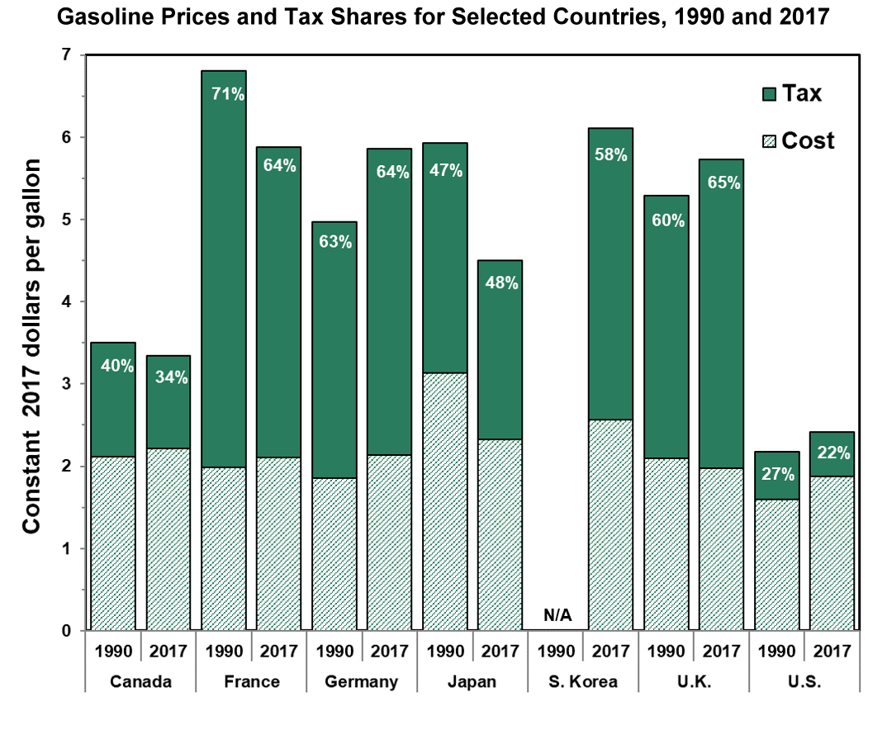
U.S. Department of Energy, Vehicle Technology Office
Fact of the Week #1074

Gasoline Prices for Selected Countries, 1990 and 2017
Price per Gallon in Constant 2017 Dollars
Item | Canada 1990 | Canada 2017 | France 1990 | France 2017 | Germany 1990 | Germany 2017 | Japan 1990 | Japan 2017 | South Korea 1990 | South Korea 2017 | United Kingdom 1990 | United Kingdom 2017 | United States 1990 | United States 2017
Total Price | 3.51 | 3.34 | 6.81 | 5.87 | 4.97 | 5.86 | 5.93 | 4.50 | N/A | 6.11 | 5.29 | 5.73 | 2.18 | 2.42
Percent Tax | 39.7% | 33.7% | 70.9% | 64.1% | 62.7% | 63.6% | 47.1% | 48.3% | N/A | 58.1% | 60.4% | 65.5% | 26.7% | 22.1%

Notes: Prices represent the retail prices (including taxes) for regular unleaded gasoline, except for Korea, France, Germany and the United Kingdom which are premium unleaded gasoline. NA = not available.
Source: Oak Ridge National Laboratory, Transportation Energy Data Book: Edition 37, ORNL/TM-2018/198, January 2019, Figure 10.2.
https://cta.ornl.gov/data/tedbfiles/Edition37_Full_Doc.pdf#page=250
Original source: International Energy Agency, Energy Prices & Taxes, Fourth Quarter, 2017, Paris, France, 2018.]

