FOTW #1073
U.S. Department of Energy, Vehicle Technology Office
Fact of the Week #1073

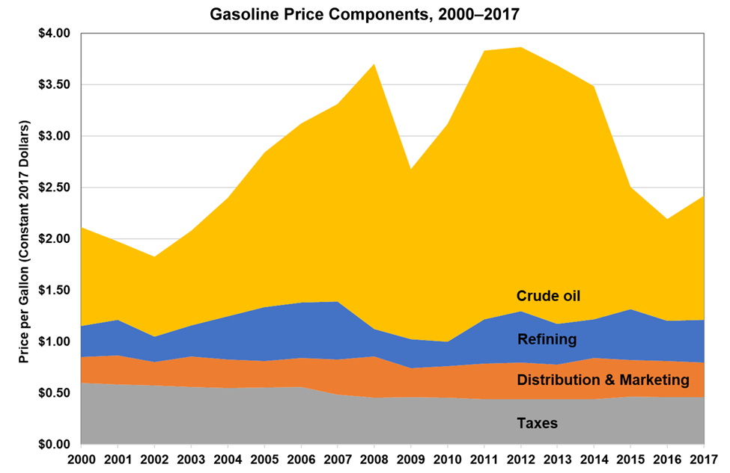
Gasoline Price Components, 2000–2017
Price per Gallon in Constant 2017 dollars
Year | Refining | Distribution & Marketing | Taxes | Crude Oil | Total Price
2000 | $0.30 | $0.25 | $0.60 | $0.96 | $2.11
2001 | $0.35 | $0.28 | $0.58 | $0.76 | $1.97
2002 | $0.24 | $0.23 | $0.57 | $0.78 | $1.83
2003 | $0.30 | $0.30 | $0.56 | $0.92 | $2.08
2004 | $0.42 | $0.28 | $0.55 | $1.15 | $2.40
2005 | $0.52 | $0.26 | $0.55 | $1.51 | $2.84
2006 | $0.54 | $0.28 | $0.56 | $1.74 | $3.12
2007 | $0.57 | $0.34 | $0.48 | $1.92 | $3.31
2008 | $0.26 | $0.40 | $0.45 | $2.58 | $3.70
2009 | $0.28 | $0.28 | $0.46 | $1.65 | $2.68
2010 | $0.23 | $0.31 | $0.45 | $2.12 | $3.12
2011 | $0.43 | $0.35 | $0.44 | $2.61 | $3.83
2012 | $0.50 | $0.36 | $0.44 | $2.57 | $3.86
2013 | $0.39 | $0.34 | $0.44 | $2.52 | $3.69
2014 | $0.38 | $0.40 | $0.44 | $2.27 | $3.48
2015 | $0.49 | $0.35 | $0.46 | $1.19 | $2.50
2016 | $0.39 | $0.35 | $0.46 | $0.99 | $2.19
2017 | $0.41 | $0.34 | $0.46 | $1.21 | $2.42

Note: Based on regular motor gasoline in all areas. Annual averages were created from monthly component price data.

Source: Oak Ridge National Laboratory, Transportation Energy Data Book: Edition 37, ORNL/TM-2018/198, January 2019, Figure 10.5.

https://cta.ornl.gov/data/tedbfiles/Edition37_Full_Doc.pdf#page=254
[Original source: Energy Information Administration, Gasoline and Diesel Fuel Update, Gasoline Pump Components History.]

https://www.eia.gov/petroleum/gasdiesel/gaspump_hist.php

