FOTW #1050
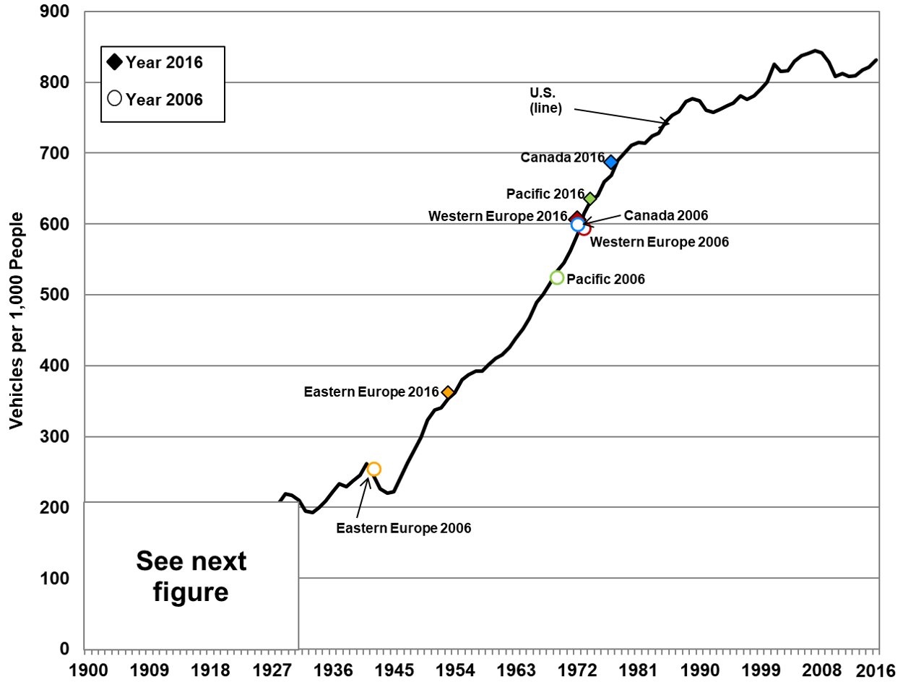
U.S. Department of Energy, Vehicle Technologies Office
Fact of the Week #1050

Vehicles per Thousand People in Selected Countries/Regions, 2006 and 2016
 | Vehicles per 1,000 people
Country/Region | 2006 | 2016
Africa | 25.2 | 38.9
Asia, Far East | 49.7 | 105.6
Asia, Middle East | 99.8 | 147.4
Brazil | 129 | 209.3
Canada | 599.6 | 686.3
Central & South America | 102.4 | 174.7
China | 26.6 | 141.2
Europe, East | 254.4 | 362.1
Europe, West | 593.7 | 606
India | 11.6 | 36.3
Indonesia | 31.7 | 87.2
Mexico | 217.6 | 317.5
Pacific | 524.7 | 634.9
United States | 840.7 | 831.9

Sources:
2016 population – U.S. Census Bureau, Population Division, International Data Base (IDB) World, July 31, 2018. (Additional resources: www.census.gov/population/international)

2016 vehicles – United States: See Table 3.6. All other countries: Ward’s Communications, www.wardsauto.com.

2006 data – Oak Ridge National Laboratory, Transportation Energy Data Book: Edition 27, ORNL-6981, 2008.

Vehicles per Thousand People in the United States, 1900–2016
Year | U.S. vehicles per 1,000 people
1900 | 0.1
1901 | 0.2
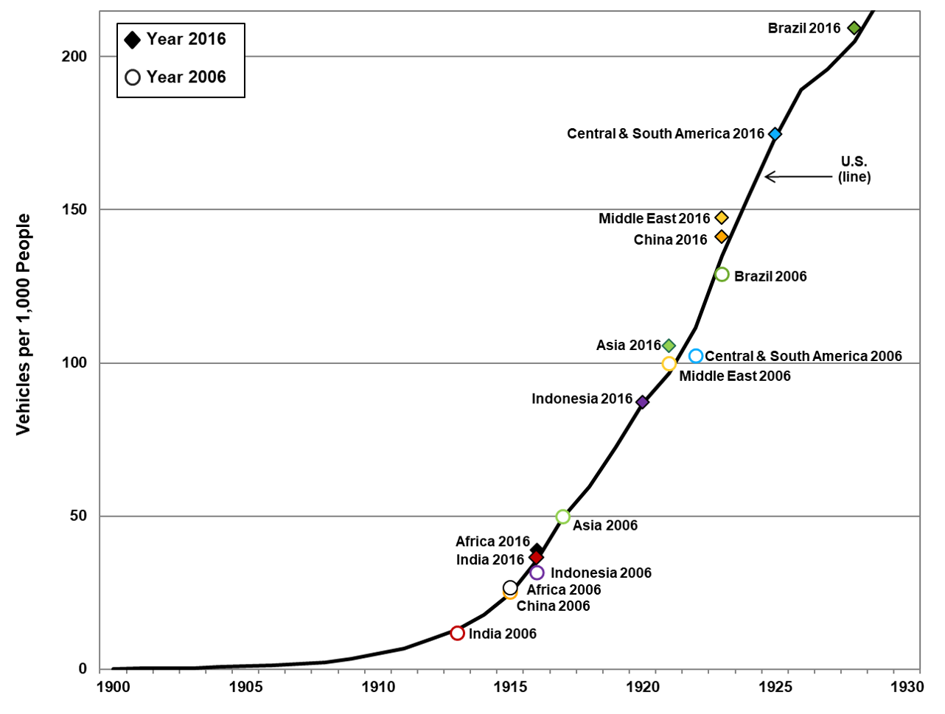
1902 | 0.3
1903 | 0.4
1904 | 0.7
1905 | 0.9
1906 | 1.3
1907 | 1.7
1908 | 2.2
1909 | 3.5
1910 | 5.1
1911 | 6.8
1912 | 9.9
1913 | 12.9
1914 | 17.8
1915 | 24.8
1916 | 35.5
1917 | 49.6
1918 | 59.7
1919 | 72.5
1920 | 86.8
1921 | 96.7
1922 | 111.5
1923 | 134.9
1924 | 154.4
1925 | 173.3
1926 | 189.1
1927 | 195.8
1928 | 204.9
1929 | 219.3
1930 | 217.3
1931 | 210.4
1932 | 195.4
1933 | 192.4
1934 | 199.9
1935 | 208.6
1936 | 222.6
1937 | 233.3
1938 | 229.7
1939 | 236.9
1940 | 245.6
1941 | 261.6
1942 | 244.7
1943 | 225.9
1944 | 220.2
1945 | 221.8
1946 | 243.1
1947 | 262.6
1948 | 280.2
1949 | 299.6
1950 | 323.7
1951 | 337.1
1952 | 340.6
1953 | 353.7
1954 | 361.4
1955 | 379.8
1956 | 387.6
1957 | 392.1
1958 | 392.2
1959 | 402.8
1960 | 410.4
1961 | 415.1
1962 | 426.1
1963 | 438.8
1964 | 451.6
1965 | 466.9
1966 | 489.3
1967 | 500.7
1968 | 516.5
1969 | 533.4
1970 | 545.4
1971 | 562.5
1972 | 585.6
1973 | 615.2
1974 | 632.3
1975 | 640.1
1976 | 659.5
1977 | 669
1978 | 690.2
1979 | 700.4
1980 | 710.7
1981 | 715.2
1982 | 714
1983 | 724.3
1984 | 728.2
1985 | 744.5
1986 | 753.3
1987 | 758.6
1988 | 772.9
1989 | 777
1990 | 773.4
1991 | 760.2
1992 | 758
1993 | 761.9
1994 | 766.9
1995 | 771
1996 | 781.2
1997 | 776
1998 | 781.2
1999 | 790.1
2000 | 800.3
2001 | 825.8
2002 | 815.7
2003 | 816.1
2004 | 829.9
2005 | 837.3
2006 | 840.7
2007 | 844.5
2008 | 841.6
2009 | 828.7
2010 | 808.4
2011 | 812.5
2012 | 807.8
2013 | 809.2
2014 | 817.3
2015 | 821.5
2016 | 831.9
Sources:
Population – U.S. Census Bureau, Population Division, International Data Base (IDB) World, February 2018. (Additional resources: www.census.gov/programs-surveys/international-programs.html)
Vehicles – U.S. Department of Transportation, Federal Highway Administration, Highway Statistics 2016, Washington, DC, 2017.

