FOTW #1044
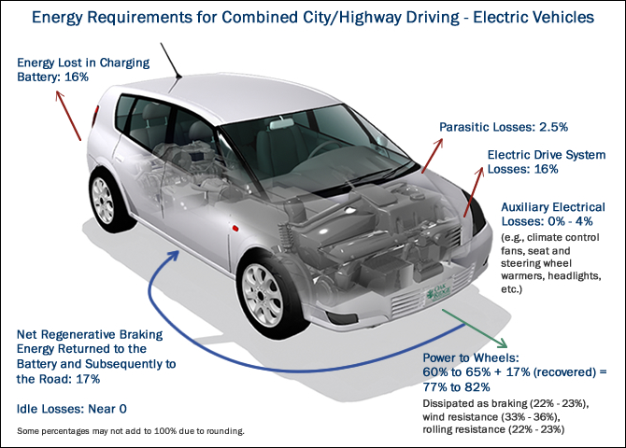
U.S. Department of Energy, Vehicle Technology Office
Fact of the Week #1045

Energy Requirements for an All-electric Vehicle for Combined City/Highway Driving
Types of Energy Losses (or Gains) | Subtypes of Losses | Combined City/Highway Driving
Parasitic Losses |  | 2.5%
Electric Drive System Losses |  | 16%
Auxilliary Electrical Losses |  | 0-4%
Power to Wheels, dissipated as: |  | 60-65%
 | Braking | 22-23%
 | Wind Resistance | 33-36%
 | Rolling Resistance | 22-23%
Regenerative Braking |  | -17%
Idle Losses |  | Near 0
Energy Lost in Charging Battery |  | 16%

Note: The figure is primarily showing losses, but the regenerative braking gains are shown below 0%, offsetting some of the above losses.

Source: U.S. Department of Energy and U.S. Environmental Protection Agency, Fuel Economy Guide website.
http://www.fueleconomy.gov/feg/atv-ev.shtml

