FOTW #1043
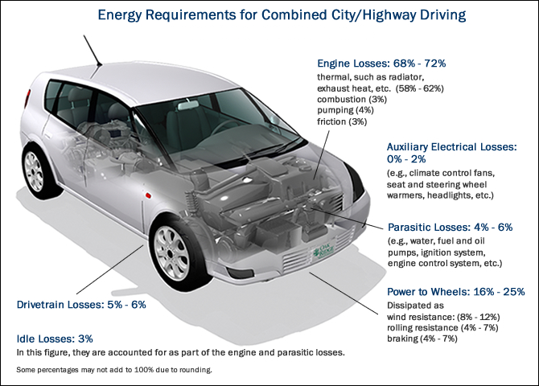
U.S. Department of Energy, Vehicle Technology Office
Fact of the Week #1044

Energy Requirements for a Conventional Vehicle for Combined City/Highway Driving
Types of Losses | Subtypes of Losses | Combined City/Highway Driving
Engine Losses |  | 68-72%
 | Thermal - radiator, exhaust heat, etc. | 58-62%
 | Combustion | 3%
 | Pumping | 4%
 | Friction | 3%
Auxilliary Electrical Losses |  | 0-2%
Parasitic Losses, e.g. water pump, alternator, etc. |  | 4-6%
Power to Wheels, dissipated as: |  | 16-25%
 | Wind Resistance | 8-12%
 | Rolling Resistance | 4-7%
 | Braking | 4-7%
Drivetrain Losses |  | 5-6%
Idle Losses |  | 3%

Source: U.S. Department of Energy and U.S. Environmental Protection Agency, Fuel Economy Guide website.

http://www.fueleconomy.gov/feg/atv.shtml

