FOTW #1035
U.S. Department of Energy, Vehicle Technologies Office
Fact of the Week #1035

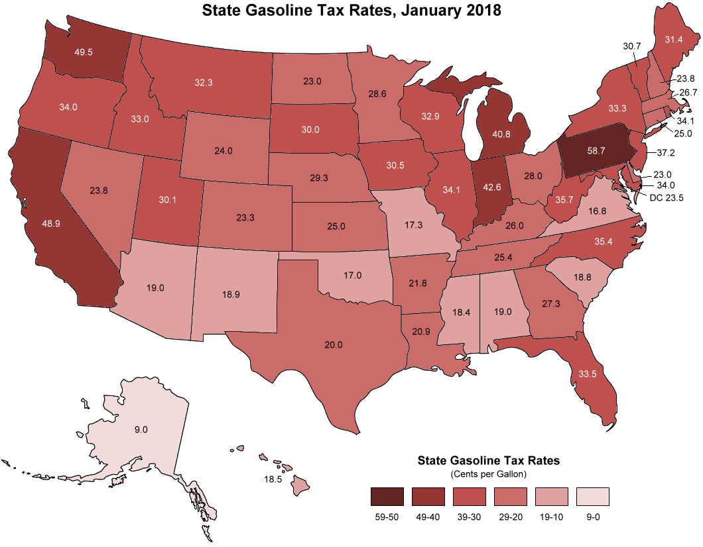
State Gasoline Tax Rates, January 2018
(Cents per Gallon)
State | Tax Rate
Alabama | 19.0
Alaska | 9.0
Arizona | 19.0
Arkansas | 21.8
California | 48.9
Colorado | 23.3
Connecticut | 25.0
Delaware | 23.0
District of Columbia | 23.5
Florida | 33.5
Georgia | 27.3
Hawaii | 18.5
Idaho | 33.0
Illinois | 34.1
Indiana | 42.6
Iowa | 30.5
Kansas | 25.0
Kentucky | 26.0
Louisiana | 20.9
Maine | 31.4
Maryland | 34.0
Massachusetts | 26.7
Michigan | 40.8
Minnesota | 28.6
Mississippi | 18.4
Missouri | 17.3
Montana | 32.3
Nebraska | 29.3
Nevada | 23.8
New Hampshire | 23.8
New Jersey | 37.2
New Mexico | 18.9
New York | 33.3
North Carolina | 35.4
North Dakota | 23.0
Ohio | 28.0
Oklahoma | 17.0
Oregon | 34.0
Pennsylvania | 58.7
Rhode Island | 34.1
South Carolina | 18.8
South Dakota | 30.0
Tennessee | 25.4
Texas | 20.0
Utah | 30.0
Vermont | 30.7
Virginia | 16.8
Washington | 49.5
West Virginia | 35.7
Wisconsin | 32.9
Wyoming | 24.0

Note: Includes gasoline tax plus other per gallon fees, such as leaking underground storage tank fees. See source for additional specifics on individual state rates.

Source: Energy Information Administration, Petroleum Supply Monthly, Federal and state motor fuels taxes, accessed May 16, 2018.

https://www.eia.gov/petroleum/marketing/monthly/xls/fueltaxes.xls

