FOTW #1033
U.S. Department of Energy, Vehicle Technologies Office
Fact of the Week #1033

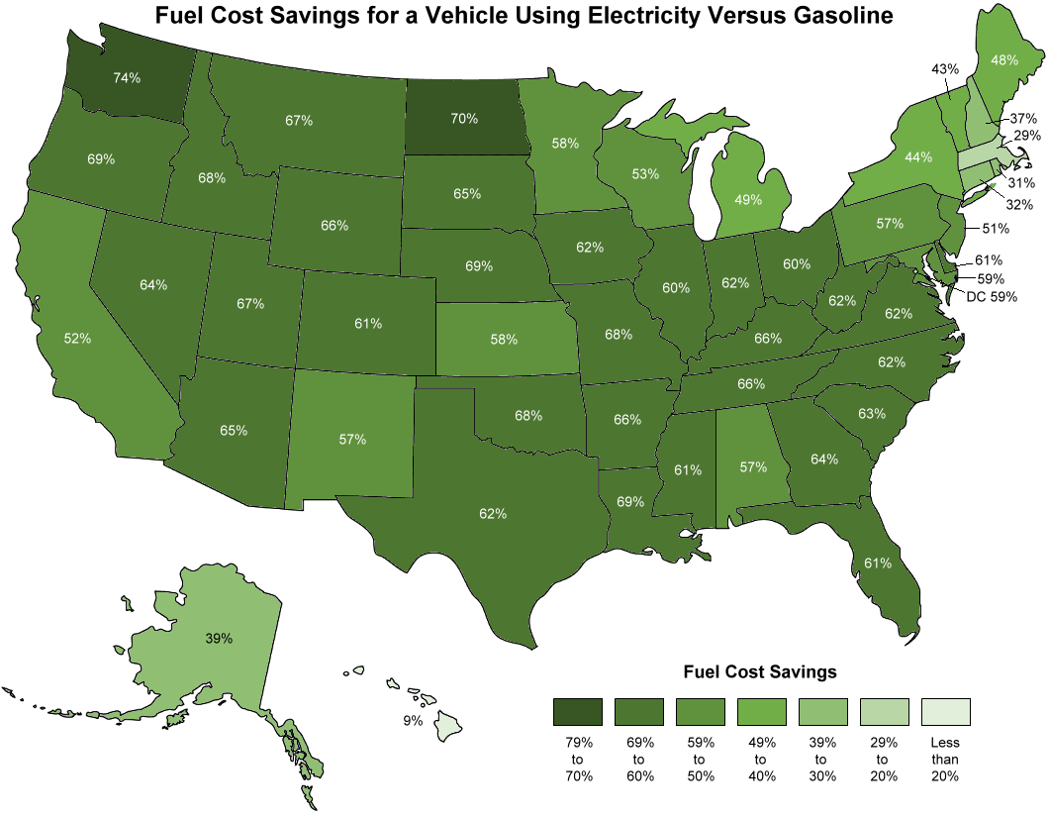
Fuel Cost Savings for a Vehicle Using Electricity Versus Gasoline, May 19, 2018
State | Regular Gasoline (Dollars per Gallon) | Electric eGallon (Dollars per Gallon) | Percent cheaper
Alabama | 2.61 | 1.12 | 57%
Alaska | 3.17 | 1.92 | 39%
Arizona | 3.17 | 1.11 | 65%
Arkansas | 2.61 | 0.89 | 66%
California | 3.60 | 1.74 | 52%
Colorado | 2.72 | 1.07 | 61%
Connecticut | 2.87 | 1.96 | 32%
Delaware | 2.94 | 1.15 | 61%
District of Columbia | 2.94 | 1.22 | 59%
Florida | 2.79 | 1.10 | 61%
Georgia | 2.73 | 0.99 | 64%
Hawaii | 3.17 | 2.87 | 9%
Idaho | 2.92 | 0.92 | 68%
Illinois | 2.78 | 1.11 | 60%
Indiana | 2.78 | 1.05 | 62%
Iowa | 2.78 | 1.06 | 62%
Kansas | 2.78 | 1.17 | 58%
Kentucky | 2.78 | 0.94 | 66%
Louisiana | 2.61 | 0.81 | 69%
Maine | 2.87 | 1.48 | 48%
Maryland | 2.94 | 1.22 | 59%
Massachusetts | 2.83 | 2.02 | 29%
Michigan | 2.78 | 1.42 | 49%
Minnesota | 2.72 | 1.14 | 58%
Mississippi | 2.61 | 1.02 | 61%
Missouri | 2.78 | 0.89 | 68%
Montana | 2.92 | 0.97 | 67%
Nebraska | 2.78 | 0.87 | 69%
Nevada | 3.17 | 1.14 | 64%
New Hampshire | 2.87 | 1.80 | 37%
New Jersey | 2.94 | 1.44 | 51%
New Mexico | 2.61 | 1.11 | 57%
New York | 2.94 | 1.65 | 44%
North Carolina | 2.73 | 1.04 | 62%
North Dakota | 2.78 | 0.83 | 70%
Ohio | 2.78 | 1.11 | 60%
Oklahoma | 2.78 | 0.90 | 68%
Oregon | 3.17 | 0.98 | 69%
Pennsylvania | 2.94 | 1.27 | 57%
Rhode Island | 2.87 | 1.97 | 31%
South Carolina | 2.73 | 1.00 | 63%
South Dakota | 2.78 | 0.98 | 65%
Tennessee | 2.78 | 0.94 | 66%
Texas | 2.63 | 1.01 | 62%
Utah | 2.92 | 0.95 | 67%
Vermont | 2.87 | 1.64 | 43%
Virginia | 2.73 | 1.04 | 62%
Washington | 3.29 | 0.87 | 74%
West Virginia | 2.73 | 1.04 | 62%
Wisconsin | 2.78 | 1.30 | 53%
Wyoming | 2.92 | 0.99 | 66%
US Average | 2.87 | 1.15 | 60%

Note: The eGallon tool uses average state or regional gasoline prices and average retail utility electricity prices. Home based solar installations are not considered. Savings are for May 19, 2018.

Sources: Savings: U.S. Department of Energy, eGallon website, accessed May 14, 2018.
https://www.energy.gov/articles/egallon-how-much-cheaper-it-drive-electricity
Electric vehicle efficiency: U.S. Department of Energy and U.S. Environmental Protection Agency, “Electric Vehicles,” www.fueleconomy.gov website, accessed May 11, 2018.

https://www.fueleconomy.gov/feg/evtech.shtml

