FOTW #1021
U.S. Department of Energy, Vehicle Technologies Office
Fact of the Week #1021

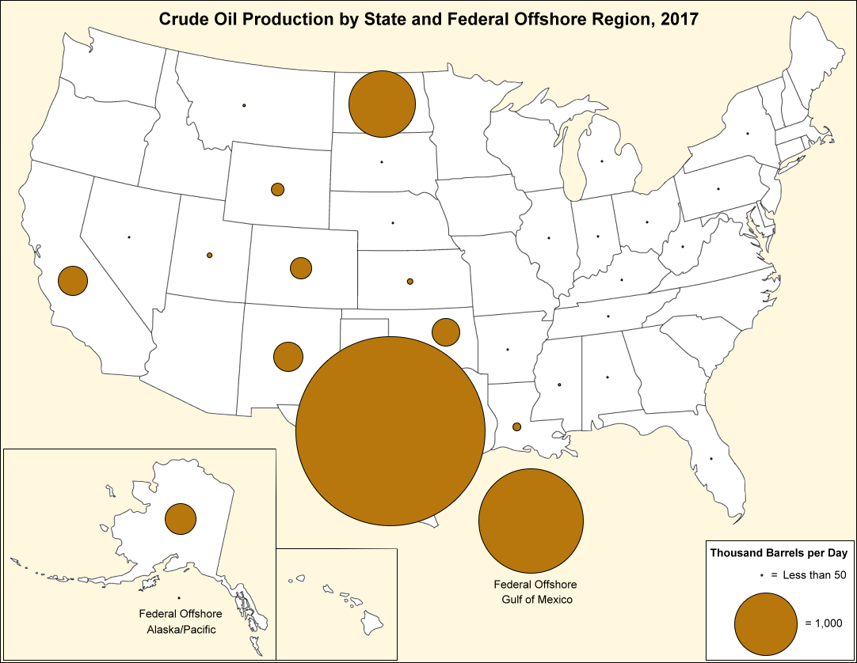
Crude Oil Production by State and Federal Offshore Region, 2017
State | Thousand Barrels per Day
Alaska | 494
Alabama | 18
Arkansas | 14
Arizona | 0
California | 474
Colorado | 351
Connecticut | 0
District of Columbia | 0
Delaware | 0
Florida | 5
Georgia | 0
Hawaii | 0
Idaho | 0
Illinois | 23
Indiana | 5
Iowa | 0
Kansas | 98
Kentucky | 7
Louisiana | 137
Massachusetts | 0
Maryland | 0
Maine | 0
Michigan | 15
Minnesota | 0
Missouri | 0
Mississippi | 50
Montana | 56
North Carolina | 0
North Dakota | 1,064
Nebraska | 6
New Hampshire | 0
New Jersey | 0
New Mexico | 473
Nevada | 1
New York | 1
Ohio | 52
Oklahoma | 454
Oregon | 0
Pennsylvania | 18
Rhode Island | 0
South Carolina | 0
South Dakota | 4
Tennessee | 1
Texas | 3,511
Utah | 90
Virginia | 0
Vermont | 0
Washington | 0
Wisconsin | 0
West Virginia | 26
Wyoming | 207
Federal Offshore - Gulf of Mexico | 1,648
Federal Offshore - Pacific/Alaska | 16
U.S. Total | 9,320

Source: Energy Information Administration, Petroleum Supply Monthly, February 2018, Table 26.

https://www.eia.gov/petroleum/supply/monthly/

