FOTW#996
U.S. Department of Energy, Vehicle Technologies Office
Fact of the Week #996 |  |  | Petroleum Consumption by Sector, 2016
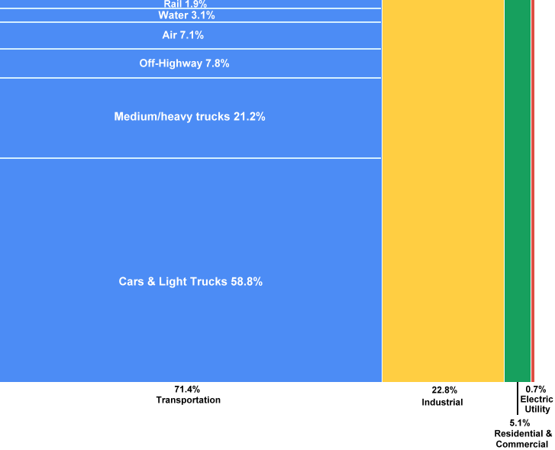
Petroleum Consumption by Sector, 2016
Mode | Share of Transportation Petroleum Consumption | Share of Total Petroleum Consumption
Transportation | #N/A | 71.4%
Pipeline | 0.02% | 0.01%
Rail | 1.90% | 1.36%
Water | 3.05% | 2.18%
Air | 7.15% | 5.11%
Off-highway | 7.84% | 5.60%
Heavy Trucks | 21.25% | 15.18%
Cars & Light Trucks | 58.80% | 42.00%
Industrial | #N/A | 22.8%
Residential & Commercial | #N/A | 5.1%
Electric Utility | #N/A | 0.7%

Notes: Petroleum consumption for pipelines was <0.1% of transportation consumption and does not appear on the figure.
Light vehicles include motorcycles. Medium/heavy trucks include buses.
Sources:
Shares by Sector – Energy Information Administration, Monthly Energy Review, August 2017, Tables 2.2 – 2.6
https://www.eia.gov/totalenergy/data/monthly/#consumption
Shares by Mode of Transportation – Oak Ridge National Laboratory, Transportation Energy Data Book: Edition 35, October 2016,
ORNL-6992, Table 1.16.
http://cta.ornl.gov/data

