FOTW#987
Gasoline and Diesel Price Components, May 2017
U.S. Department of Energy, Vehicle Technologies Office
Fact of the Week #987
 |  |  |  | DATA FOR THE GRAPH:
Gasoline and Diesel Price Components, May 2017 |  |  |  |  | Dollars per Gallon
Component | Regular Gasoline | Diesel |  |  | Regular Gasoline | Diesel
Crude Oil | 48% | 45% |  | Crude Oil | 1.1472 | 1.152
Refining | 16% | 14% |  | Refining | 0.3824 | 0.3584
Distribution & Marketing | 17% | 21% |  | Distribution & Marketing | 0.4063 | 0.5376
Taxes | 19% | 20% |  | Taxes | 0.4541 | 0.512
Price (dollars per gallon) | 2.39 | 2.56 |  | Price (dollars per gallon) | 2.39 | 2.56

Source: Energy Information Administration, Gasoline and Diesel Fuel Update,
accessed June 27, 2017.
https://www.eia.gov/petroleum/gasdiesel
Methodology for the components:
https://www.eia.gov/petroleum/gasdiesel/pump_methodology.php

Michael Berube's Questions
Need to specify how this ties in with ethanol / E10.
i.e., How does spot price of gasoline (after refinery) mesh with conventional gasoline available to the consumer

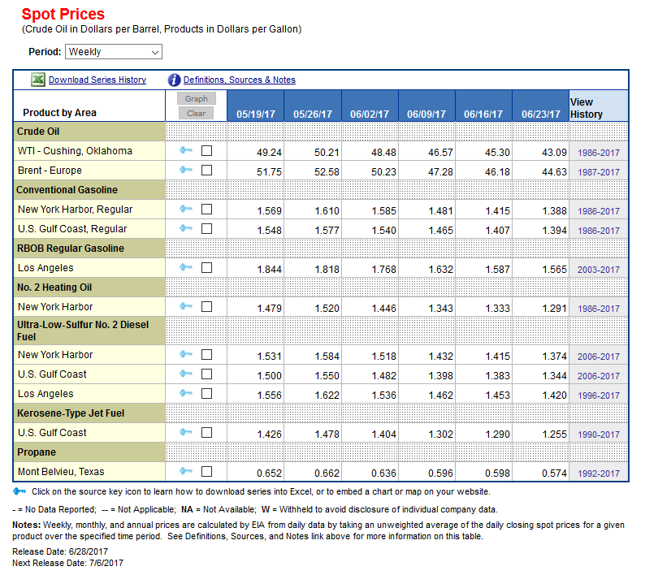
https://www.eia.gov/dnav/pet/PET_PRI_SPT_S1_W.htm
 |  |  | https://www.eia.gov/petroleum/gasdiesel/

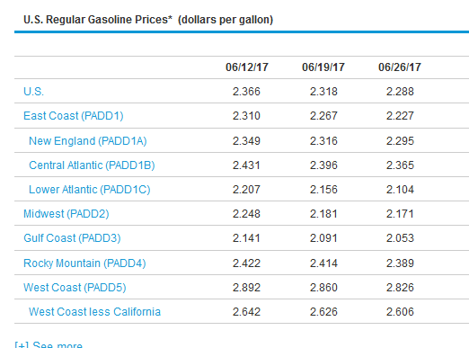

 |  |  |  | Gulf Coast Spot | 1.465 | 1.407 | 1.394
 |  |  |  | Gulf Coast Regular Gasoline | 2.141 | 2.091 | 2.053
 |  |  |  |  | (0.46) | (0.49) | (0.47)

 |  |  |  | LA | 1.343 | 1.333 | 1.291
 |  |  |  | West Coast | 2.892 | 2.86 | 2.826
 |  |  |  |  | (1.15) | (1.15) | (1.19)

 |  |  |  | NY | 1.481 | 1.415 | 1.388
 |  |  |  | Central Atlantic | 2.431 | 2.396 | 2.365
 |  |  |  |  | (0.64) | (0.69) | (0.70)

