FOTW# 891
U.S. Department of Energy, Vehicle Technology Office
Fact of the Week # 891

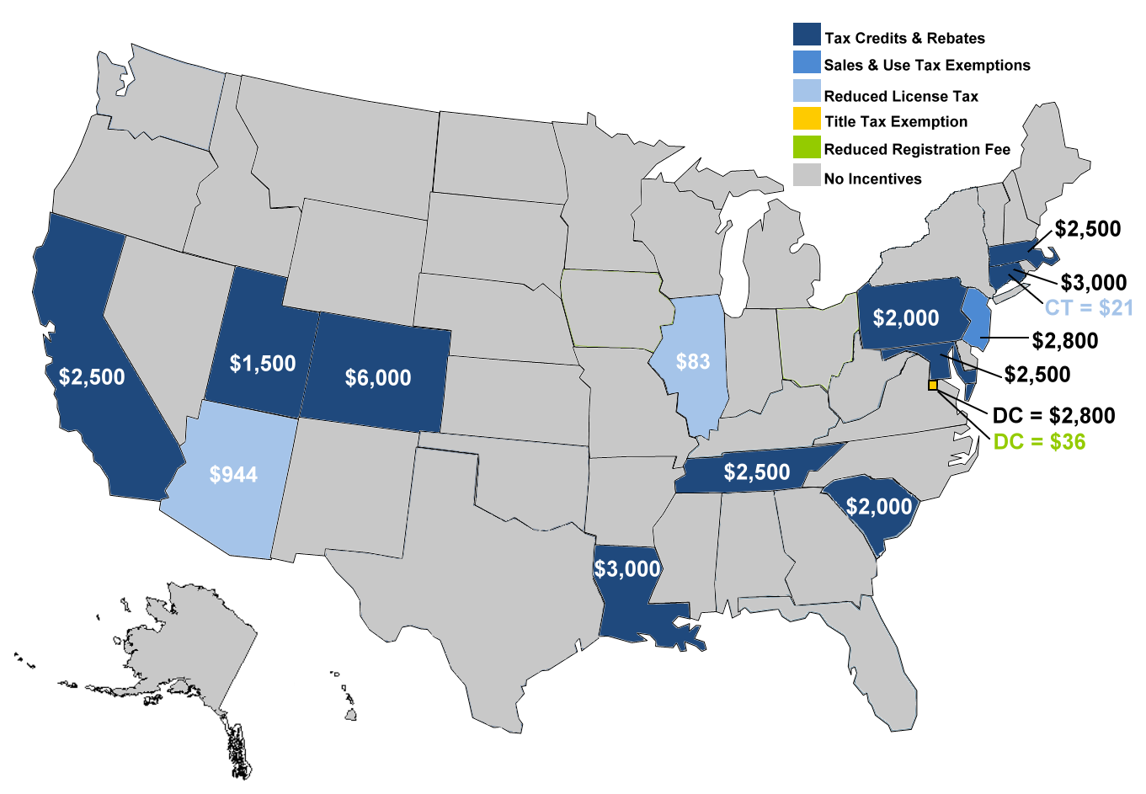
Selected State Incentives for Plug-in Vehicles, July 2015 |  |  |  |  |  |  | Selected State Incentives for Plug-in Vehicles, July 2015
 |  |  | (Dollars)
State | Tax Credits & Rebates | Sales Tax Exemption | Reduced License and/or UseTax | Reduced Registration Fee | Title Tax Exemption | Total
AZ |  |  | $944 |  |  | $944
CA | $2,500 |  |  |  |  | $2,500
CO | $6,000 |  |  |  |  | $6,000
CT | $3,000 |  | $21 |  |  | $3,021
DC |  |  |  | $36 | $2,800 | $2,836
IL |  |  | $83 |  |  | $83
LA | $3,000 |  |  |  |  | $3,000
MA | $2,500 |  |  |  |  | $2,500
MD | $2,500 |  |  |  |  | $2,500
NJ |  | $2,800 |  |  |  | $2,800
PA | $2,000 |  |  |  |  | $2,000
SC | $2,000 |  |  |  |  | $2,000
TN | $2,500 |  |  |  |  | $2,500
UT | $1,500 |  |  |  |  | $1,500

Notes: For calculation purposes, e.g., sales tax exemptions, the vehicle was assumed to have a value of $40,000, a weight of 3,500 lbs., and a 20 kWh battery capacity.
Only the incentives for individuals listed in the columns above were considered. Other State incentives, such as high-occupany vehicle lane expemptions and reduced toll rates are not considered. Also, incentives on the charging equipment, electricity discounts, etc. are not considered.

Source: Alternative Fuels Data Center accessed July 20, 2015.
 | http://www.afdc.energy.gov
 | Data compiled by SRA International, Inc.

