FOTW #877
U.S. Department of Energy, Vehicle Technology Office
Fact of the Week # 877

Share of Battery Electric Vehicles (BEVs) and Plug-in Hybrid Vehicles (PHEVs), 2014
State | BEV Share | PHEV Share | PEVs
Alabama | 32% | 68% | 100%
Alaska | 28% | 72% | 100%
Arizona | 49% | 51% | 100% | Share of BEVs and PHEVs by State, 2014
Arkansas | 21% | 79% | 100%
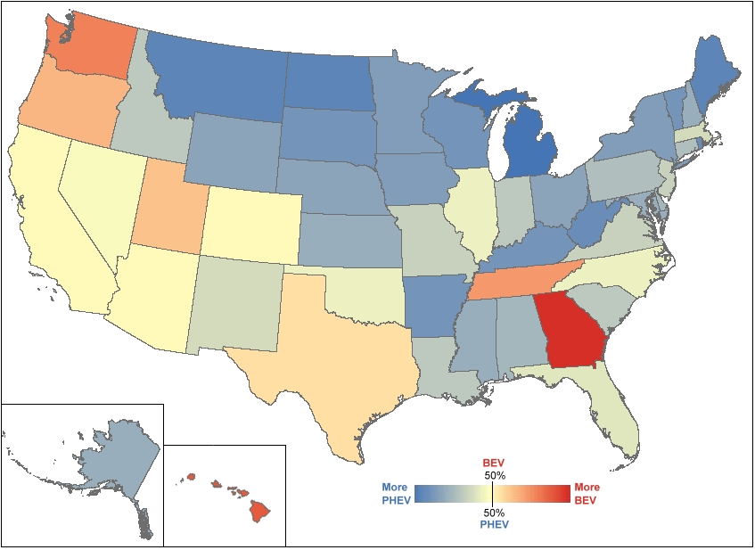
California | 49% | 51% | 100%
Colorado | 48% | 52% | 100%
Connecticut | 33% | 67% | 100%
Delaware | 31% | 69% | 100%
District of Columbia | 38% | 62% | 100%
Florida | 43% | 57% | 100%
Georgia | 84% | 16% | 100%
Hawaii | 76% | 24% | 100%
Idaho | 35% | 65% | 100%
Illinois | 44% | 56% | 100%
Indiana | 35% | 65% | 100%
Iowa | 24% | 76% | 100%
Kansas | 29% | 71% | 100%
Kentucky | 23% | 77% | 100%
Louisiana | 36% | 64% | 100%
Maine | 18% | 82% | 100%
Maryland | 29% | 71% | 100%
Massachusetts | 39% | 61% | 100%
Michigan | 12% | 88% | 100%
Minnesota | 23% | 77% | 100%
Mississippi | 29% | 71% | 100%
Missouri | 38% | 62% | 100%
Montana | 18% | 82% | 100%
Nebraska | 27% | 73% | 100%
Nevada | 47% | 53% | 100%
New Hampshire | 30% | 70% | 100%
New Jersey | 38% | 62% | 100%
New Mexico | 41% | 59% | 100%
New York | 25% | 75% | 100%
North Carolina | 45% | 55% | 100%
North Dakota | 18% | 82% | 100%
Ohio | 27% | 73% | 100%
Oklahoma | 45% | 55% | 100%
Oregon | 60% | 40% | 100%
Pennsylvania | 33% | 67% | 100%
Rhode Island | 20% | 80% | 100%
South Carolina | 37% | 63% | 100%
South Dakota | 23% | 78% | 100% | Notes:
Tennessee | 66% | 34% | 100% | PEV – Plug-in Electric Vehicle (Includes BEV and PHEV)
Texas | 53% | 47% | 100% | BEV – Battery Electric Vehicle (Also referred to as an all-electric vehicle)
Utah | 58% | 42% | 100% | PHEV – Plug-in Hybrid Electric Vehicle (Has a gasoline engine as a backup for when the battery is depleted.)
Vermont | 23% | 77% | 100% | PEV and BEV registrations include all PEVs and BEVs under 10,000 lbs. gross vehicle weight registered in the state in July 2014.
Virginia | 37% | 63% | 100%
Washington | 70% | 30% | 100%
West Virginia | 19% | 81% | 100%
Wisconsin | 23% | 77% | 100%
Wyoming | 27% | 73% | 100%
All | 47% | 53% | 100%

Source:
National Renewable Energy Laboratory analysis, R.L. Polk, POLK_VIO_DETAIL_2014, May 2015.

