FOTW #876
U.S. Department of Energy, Vehicle Technology Office
Fact of the Week # 876

Plug-in Electric Light Vehicle Registrations and Population by State, 2014
State | Plug-in Electric Light Vehicle Registrations | Population Estimates | Plug-in Electric Vehicle Light Registrations per Thousand People
Alabama | 773 | 4,849,377 | 0.16 | Plug-in Electric Vehicle Registrations per Thousand People by State, 2014
Alaska | 155 | 736,732 | 0.21
Arizona | 4,361 | 6,731,484 | 0.65
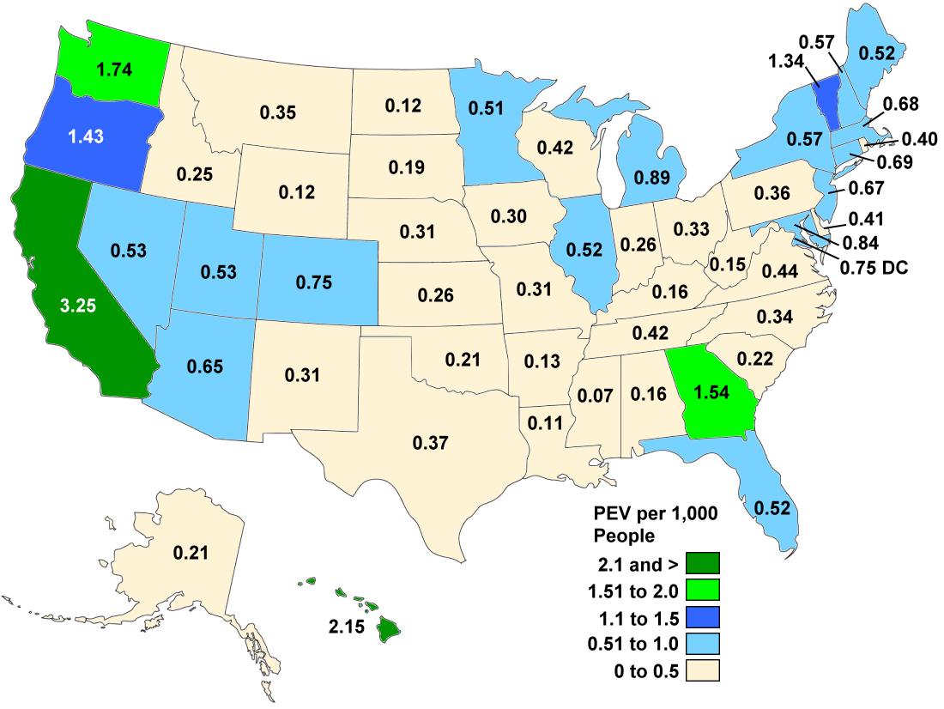
Arkansas | 374 | 2,966,369 | 0.13
California | 126,283 | 38,802,500 | 3.25
Colorado | 4,001 | 5,355,866 | 0.75
Connecticut | 2,476 | 3,596,677 | 0.69
Delaware | 383 | 935,614 | 0.41
District of Columbia | 493 | 658,893 | 0.75
Florida | 10,383 | 19,893,297 | 0.52
Georgia | 15,551 | 10,097,343 | 1.54
Hawaii | 3,050 | 1,419,561 | 2.15
Idaho | 409 | 1,634,464 | 0.25
Illinois | 6,694 | 12,880,580 | 0.52
Indiana | 1,697 | 6,596,855 | 0.26
Iowa | 928 | 3,107,126 | 0.30
Kansas | 750 | 2,904,021 | 0.26
Kentucky | 701 | 4,413,457 | 0.16
Louisiana | 527 | 4,649,676 | 0.11
Maine | 695 | 1,330,089 | 0.52
Maryland | 5,028 | 5,976,407 | 0.84
Massachusetts | 4,612 | 6,745,408 | 0.68
Michigan | 8,844 | 9,909,877 | 0.89
Minnesota | 2,775 | 5,457,173 | 0.51
Mississippi | 201 | 2,994,079 | 0.07
Missouri | 1,859 | 6,063,589 | 0.31
Montana | 362 | 1,023,579 | 0.35
Nebraska | 579 | 1,881,503 | 0.31
Nevada | 1,509 | 2,839,099 | 0.53
New Hampshire | 761 | 1,326,813 | 0.57
New Jersey | 6,021 | 8,938,175 | 0.67
New Mexico | 637 | 2,085,572 | 0.31
New York | 11,278 | 19,746,227 | 0.57
North Carolina | 3,384 | 9,943,964 | 0.34
North Dakota | 91 | 739,482 | 0.12
Ohio | 3,814 | 11,594,163 | 0.33
Oklahoma | 806 | 3,878,051 | 0.21
Oregon | 5,681 | 3,970,239 | 1.43
Pennsylvania | 4,540 | 12,787,209 | 0.36
Rhode Island | 417 | 1,055,173 | 0.40
South Carolina | 1,056 | 4,832,482 | 0.22
South Dakota | 160 | 853,175 | 0.19
Tennessee | 2,730 | 6,549,352 | 0.42
Texas | 9,925 | 26,956,958 | 0.37
Utah | 1,565 | 2,942,902 | 0.53
Vermont | 840 | 626,562 | 1.34
Virginia | 3,628 | 8,326,289 | 0.44 | Notes:
Washington | 12,291 | 7,061,530 | 1.74 | PEV – Plug-in electric vehicle (Includes BEV and PHEV).
West Virginia | 271 | 1,850,326 | 0.15 | BEV – Battery electric vehicle (Also referred to as an all-electric vehicle).
Wisconsin | 2,429 | 5,757,564 | 0.42 | PHEV – Plug-in hybrid electric vehicle (Has a gasoline engine as a backup for when the battery is | depleted).
Wyoming | 73 | 584,153 | 0.12 | PEV registrations include all PEVs under 10,000 lbs. gross vehicle weight registered in the state in July 2014
All | 278,851 | 318,857,056 | 0.87
Sources:
Hybrid-electric Light Vehicle Registrations - National Renewable Energy Laboratory analysis, R.L. Polk, POLK_VIO_DETAIL_2014, May 2015.
Population - U.S. Census Bureau, Population Estimates, State Totals: Vintage 2014, http://www.census.gov/popest/data/state/totals/2014/index.html.
Argonne National Laboratory estimated population through July 2014 to match the registration data.

