FOTW #875
U.S. Department of Energy, Vehicle Technology Office
Fact of the Week # 875

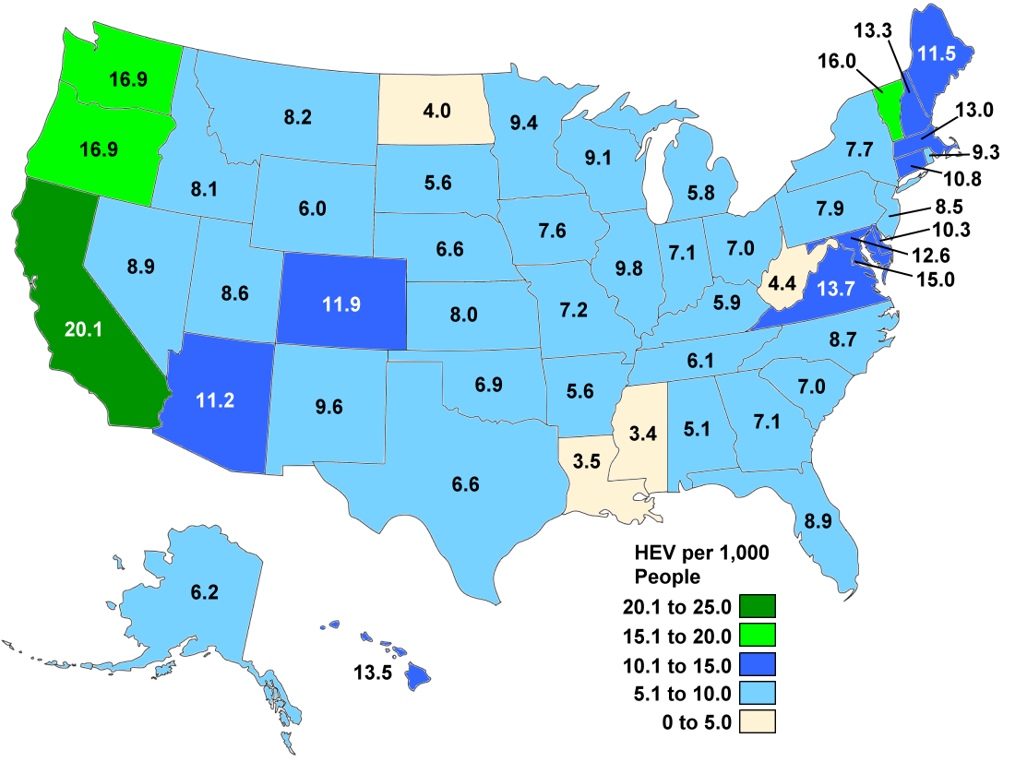
Hybrid-electric Light Vehicle Registrations and Population by State, 2014 |  |  |  | Hybrid Electric Light Vehicle Registrations per Thousand People by State, 2014
State | Hybrid-electric Vehicle Registration | Population Estimates | Hybrid Registrations per Thousand People
Alabama | 24,955 | 4,849,377 | 5.1
Alaska | 4,534 | 736,732 | 6.2
Arizona | 75,452 | 6,731,484 | 11.2
Arkansas | 16,750 | 2,966,369 | 5.6
California | 778,405 | 38,802,500 | 20.1
Colorado | 63,597 | 5,355,866 | 11.9
Connecticut | 39,001 | 3,596,677 | 10.8
Delaware | 9,601 | 935,614 | 10.3
District of Columbia | 9,915 | 658,893 | 15.0
Florida | 177,622 | 19,893,297 | 8.9
Georgia | 71,786 | 10,097,343 | 7.1
Hawaii | 19,120 | 1,419,561 | 13.5
Idaho | 13,310 | 1,634,464 | 8.1
Illinois | 125,714 | 12,880,580 | 9.8
Indiana | 46,575 | 6,596,855 | 7.1
Iowa | 23,489 | 3,107,126 | 7.6
Kansas | 23,113 | 2,904,021 | 8.0
Kentucky | 26,060 | 4,413,457 | 5.9
Louisiana | 16,248 | 4,649,676 | 3.5
Maine | 15,303 | 1,330,089 | 11.5
Maryland | 75,050 | 5,976,407 | 12.6
Massachusetts | 87,952 | 6,745,408 | 13.0
Michigan | 57,053 | 9,909,877 | 5.8
Minnesota | 51,515 | 5,457,173 | 9.4
Mississippi | 10,250 | 2,994,079 | 3.4
Missouri | 43,692 | 6,063,589 | 7.2
Montana | 8,376 | 1,023,579 | 8.2
Nebraska | 12,386 | 1,881,503 | 6.6
Nevada | 25,321 | 2,839,099 | 8.9
New Hampshire | 17,633 | 1,326,813 | 13.3
New Jersey | 75,911 | 8,938,175 | 8.5
New Mexico | 20,026 | 2,085,572 | 9.6
New York | 151,095 | 19,746,227 | 7.7
North Carolina | 86,734 | 9,943,964 | 8.7
North Dakota | 2,964 | 739,482 | 4.0
Ohio | 80,594 | 11,594,163 | 7.0
Oklahoma | 26,642 | 3,878,051 | 6.9
Oregon | 67,180 | 3,970,239 | 16.9
Pennsylvania | 100,914 | 12,787,209 | 7.9
Rhode Island | 9,837 | 1,055,173 | 9.3 | Note: HEV registrations include all HEVs under 10,000 lbs. gross vehicle weight registered in the state in July 2014.
South Carolina | 33,835 | 4,832,482 | 7.0
South Dakota | 4,790 | 853,175 | 5.6
Tennessee | 40,082 | 6,549,352 | 6.1
Texas | 177,585 | 26,956,958 | 6.6
Utah | 25,232 | 2,942,902 | 8.6
Vermont | 10,028 | 626,562 | 16.0
Virginia | 113,924 | 8,326,289 | 13.7
Washington | 119,534 | 7,061,530 | 16.9
West Virginia | 8,165 | 1,850,326 | 4.4
Wisconsin | 52,544 | 5,757,564 | 9.1
Wyoming | 3,498 | 584,153 | 6.0
All | 3,180,892 | 318,857,056 | 10.0

Source:
Hybrid-electric Light Vehicle Registrations - National Renewable Energy Laboratory analysis, R.L. Polk, POLK_VIO_DETAIL_2014, May 2015.
Population - U.S. Census Bureau, Population Estimates, State Totals: Vintage 2014, http://www.census.gov/popest/data/state/totals/2014/index.html.
Argonne National Laboratory estimated population through July 2014 to match the registration data.

