Instructions
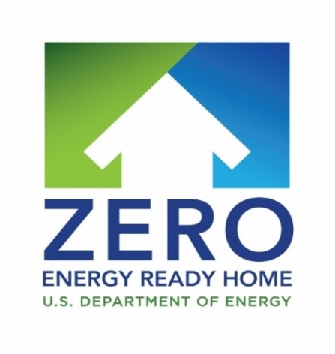
2020 Housing Innovation Awards
INSTRUCTIONS
Welcome to the Zero Energy Ready Home Housing Innovation Awards program. As a Zero Energy Ready Home Builder Partner, this is your chance to be officially recognized as a housing industry leader by the U.S. Department of Energy. In particular, this program provides a special opportunity to:
be distinguished as a national award winner;
be featured on the DOE web site virtual ‘Tour of Zero’ being promoted in a national campaign cooperatively with key housing industry stakeholders;
receive extra homebuyer recognition on the Zero Energy Ready Home builder locator tool; and
receive press release templates promoting your industry leading performance.
To enter the DOE ZERH Housing Innovation Awards:
Download and complete this application form and collect all of the required documents, photographs, and floor plans.
Log in to your DOE Zero Energy Ready Home account, click on Housing Innovation Awards and upload the completed application and required documentation by June 22, 2020.
Winners will be notified by August 1, 2020. The Housing Innovation awards will be presented at a ceremony held during the EEBA Excellence in Building Conference & Expo September 29-October 1, 2020 in Denver, CO. Grand winners will be announced at this conference.

General Information
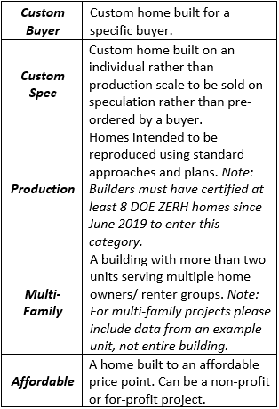
2020 Housing Innovation Awards Application Form

Application Category

Project Name (1)

Project Location
Street Address
City
State
Zip Code

Applicant Information
Company Name
Contact Name
City/State
Email
Phone
Website

Project Information
Completion Date |  |  | Application Category | INCOMPLETE
Climate Zone |  |  | Project Name | INCOMPLETE
Local Code Equivalent |  |  | Project Location | INCOMPLETE
Housing Type |  |  | Applicant Info | INCOMPLETE
Conditioned Square Feet |  |  | Project Info | INCOMPLETE
# of Bedrooms |  |  | Other Certifications | INCOMPLETE
# of Baths |  |  | Performance Info | INCOMPLETE
# of Floors Above Grade |  |  | *Note: If a specific section does not apply to your project, please type N/A in the answer field.
Orientation
Finished Basement (Y/N)
PV System

Other Certifications
ENERGY STAR
IBHS Fortified Home
ZERH Quality Man. Guidelines
PHIUS+
LEED for Homes
NGBS
EPA WaterSense
Other Local/National Programs Type N/A if none

Peformance Information (2)
 | Without PV | With PV- Type N/A if none
HERS Index (3)
Annual Utility Costs
Energy Cost Savings (4)
Energy Savings (5)
Incremental Costs (6)

Notes:
1) To protect privacy, please avoid using owner/occupant name as project name
2) Note: with PV, the total utility costs + energy cost savings should be approximately the same as the total without PV utility costs + cost savings
3) Check DOE ZERH Verification report or other ratings
4) Projected based on HERS software analysis; check DOE ZERH verification report or other ratings
5) Provide in kWh, Therms, MMBtus, Gallons, etc (please specify)
6) Note: The incremental cost should only include the costs of upgrades needed to take the house from code-compliant to the DOE ZERH certification level, such as the cost of extra insulation above the code minimum, or additional air sealing, or higher performing HVAC than you would typically put in to meet the code. If you received any utility incentives, do not include them when reporting the costs. The incremental cost should not include cosmetic upgrades that are not required by the DOE ZERH, such as more expensive flooring or countertops. For example, if code requires R-20 wall insulation and SEER 13 HVAC and you installed R-30 wall insulation and a SEER 21 heat pump to achieve your target HERS score, your incremental cost would include the price difference between R-30 and R-20 wall insulation, plus the difference in price between a SEER 21 heat pump and the SEER 13 heat pump you would otherwise have installed, plus any other additional costs you incurred to get from code minimum to ZERH

Back to Application Tracker

